ALEX
JEANS ALEX HOMME
23 réf-col

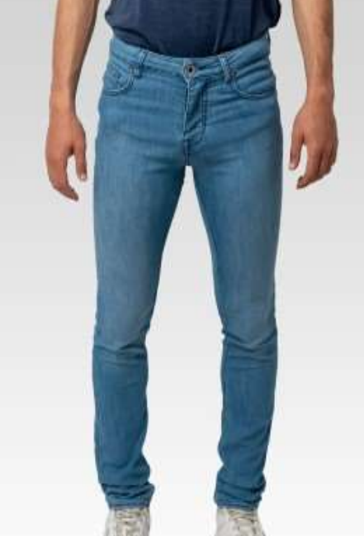
Code EAN | Référence | Délavage | Fils | Secteur | Référence Fournisseur | Type | Modèle | Composition | Taille | Quantité
4251349487038 | 182901RVCHESTERNV | CHESTER | NV | MEN | V221038 | JEANS | ALEX | 71%COT/28%PL/1%EL | 30/30 | 145 | 4,085
4251349487045 | 182901RVCHESTERNV | CHESTER | NV | MEN | V221038 | JEANS | ALEX | 71%COT/28%PL/1%EL | 31/30 | 300
4251349487052 | 182901RVCHESTERNV | CHESTER | NV | MEN | V221038 | JEANS | ALEX | 71%COT/28%PL/1%EL | 32/30 | 337
4251349487069 | 182901RVCHESTERNV | CHESTER | NV | MEN | V221038 | JEANS | ALEX | 71%COT/28%PL/1%EL | 33/30 | 287
4251349487076 | 182901RVCHESTERNV | CHESTER | NV | MEN | V221038 | JEANS | ALEX | 71%COT/28%PL/1%EL | 34/30 | 290
4251349487083 | 182901RVCHESTERNV | CHESTER | NV | MEN | V221038 | JEANS | ALEX | 71%COT/28%PL/1%EL | 36/30 | 115
4251349487090 | 182901RVCHESTERNV | CHESTER | NV | MEN | V221038 | JEANS | ALEX | 71%COT/28%PL/1%EL | 38/30 | 147
4251349487106 | 182901RVCHESTERNV | CHESTER | NV | MEN | V221038 | JEANS | ALEX | 71%COT/28%PL/1%EL | 40/30 | 146
4251349487113 | 182901RVCHESTERNV | CHESTER | NV | MEN | V221038 | JEANS | ALEX | 71%COT/28%PL/1%EL | 30/32 | 119
4251349487120 | 182901RVCHESTERNV | CHESTER | NV | MEN | V221038 | JEANS | ALEX | 71%COT/28%PL/1%EL | 31/32 | 280
4251349487137 | 182901RVCHESTERNV | CHESTER | NV | MEN | V221038 | JEANS | ALEX | 71%COT/28%PL/1%EL | 32/32 | 286
4251349487144 | 182901RVCHESTERNV | CHESTER | NV | MEN | V221038 | JEANS | ALEX | 71%COT/28%PL/1%EL | 33/32 | 284
4251349487151 | 182901RVCHESTERNV | CHESTER | NV | MEN | V221038 | JEANS | ALEX | 71%COT/28%PL/1%EL | 34/32 | 292
4251349487168 | 182901RVCHESTERNV | CHESTER | NV | MEN | V221038 | JEANS | ALEX | 71%COT/28%PL/1%EL | 36/32 | 180
4251349487175 | 182901RVCHESTERNV | CHESTER | NV | MEN | V221038 | JEANS | ALEX | 71%COT/28%PL/1%EL | 38/32 | 142
4251349487182 | 182901RVCHESTERNV | CHESTER | NV | MEN | V221038 | JEANS | ALEX | 71%COT/28%PL/1%EL | 40/32 | 147
4251349487199 | 182901RVCHESTERNV | CHESTER | NV | MEN | V221038 | JEANS | ALEX | 71%COT/28%PL/1%EL | 32/34 | 144
4251349487205 | 182901RVCHESTERNV | CHESTER | NV | MEN | V221038 | JEANS | ALEX | 71%COT/28%PL/1%EL | 33/34 | 154
4251349487212 | 182901RVCHESTERNV | CHESTER | NV | MEN | V221038 | JEANS | ALEX | 71%COT/28%PL/1%EL | 34/34 | 147
4251349487229 | 182901RVCHESTERNV | CHESTER | NV | MEN | V221038 | JEANS | ALEX | 71%COT/28%PL/1%EL | 36/34 | 143
4251349486833 | 182901RVTJ01NV | TJ01 | NV | MEN | V221037 | JEANS | ALEX | 71%COT/28%PL/1%EL | 30/30 | 125 | 4,036
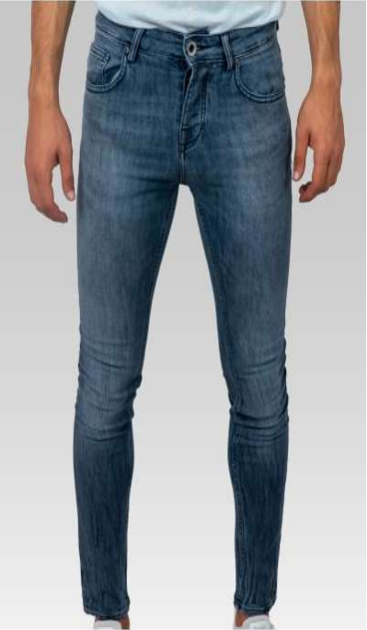
4251349486840 | 182901RVTJ01NV | TJ01 | NV | MEN | V221037 | JEANS | ALEX | 71%COT/28%PL/1%EL | 31/30 | 266
4251349486857 | 182901RVTJ01NV | TJ01 | NV | MEN | V221037 | JEANS | ALEX | 71%COT/28%PL/1%EL | 32/30 | 313
4251349486864 | 182901RVTJ01NV | TJ01 | NV | MEN | V221037 | JEANS | ALEX | 71%COT/28%PL/1%EL | 33/30 | 334
4251349486871 | 182901RVTJ01NV | TJ01 | NV | MEN | V221037 | JEANS | ALEX | 71%COT/28%PL/1%EL | 34/30 | 322
4251349486888 | 182901RVTJ01NV | TJ01 | NV | MEN | V221037 | JEANS | ALEX | 71%COT/28%PL/1%EL | 36/30 | 133
4251349486895 | 182901RVTJ01NV | TJ01 | NV | MEN | V221037 | JEANS | ALEX | 71%COT/28%PL/1%EL | 38/30 | 148
4251349486901 | 182901RVTJ01NV | TJ01 | NV | MEN | V221037 | JEANS | ALEX | 71%COT/28%PL/1%EL | 40/30 | 122
4251349486918 | 182901RVTJ01NV | TJ01 | NV | MEN | V221037 | JEANS | ALEX | 71%COT/28%PL/1%EL | 30/32 | 175
4251349486925 | 182901RVTJ01NV | TJ01 | NV | MEN | V221037 | JEANS | ALEX | 71%COT/28%PL/1%EL | 31/32 | 289
4251349486932 | 182901RVTJ01NV | TJ01 | NV | MEN | V221037 | JEANS | ALEX | 71%COT/28%PL/1%EL | 32/32 | 312
4251349486949 | 182901RVTJ01NV | TJ01 | NV | MEN | V221037 | JEANS | ALEX | 71%COT/28%PL/1%EL | 33/32 | 329
4251349486956 | 182901RVTJ01NV | TJ01 | NV | MEN | V221037 | JEANS | ALEX | 71%COT/28%PL/1%EL | 34/32 | 253
4251349486963 | 182901RVTJ01NV | TJ01 | NV | MEN | V221037 | JEANS | ALEX | 71%COT/28%PL/1%EL | 36/32 | 145
4251349486970 | 182901RVTJ01NV | TJ01 | NV | MEN | V221037 | JEANS | ALEX | 71%COT/28%PL/1%EL | 38/32 | 125
4251349486987 | 182901RVTJ01NV | TJ01 | NV | MEN | V221037 | JEANS | ALEX | 71%COT/28%PL/1%EL | 40/32 | 170
4251349486994 | 182901RVTJ01NV | TJ01 | NV | MEN | V221037 | JEANS | ALEX | 71%COT/28%PL/1%EL | 32/34 | 118
4251349487007 | 182901RVTJ01NV | TJ01 | NV | MEN | V221037 | JEANS | ALEX | 71%COT/28%PL/1%EL | 33/34 | 110
4251349487014 | 182901RVTJ01NV | TJ01 | NV | MEN | V221037 | JEANS | ALEX | 71%COT/28%PL/1%EL | 34/34 | 132
4251349487021 | 182901RVTJ01NV | TJ01 | NV | MEN | V221037 | JEANS | ALEX | 71%COT/28%PL/1%EL | 36/34 | 115
4251349486635 | 182901RVVERDETB | VERDE | TB | MEN | V221036 | JEANS | ALEX | 71%COT/28%PL/1%EL | 30/30 | 93 | 2,325
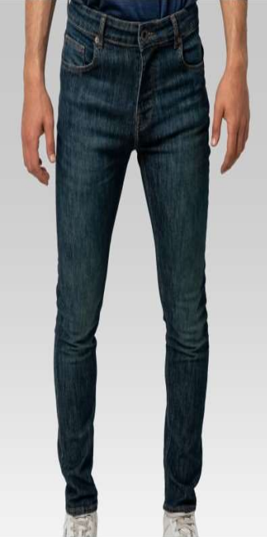
4251349486642 | 182901RVVERDETB | VERDE | TB | MEN | V221036 | JEANS | ALEX | 71%COT/28%PL/1%EL | 31/30 | 170
4251349486659 | 182901RVVERDETB | VERDE | TB | MEN | V221036 | JEANS | ALEX | 71%COT/28%PL/1%EL | 32/30 | 149
4251349486666 | 182901RVVERDETB | VERDE | TB | MEN | V221036 | JEANS | ALEX | 71%COT/28%PL/1%EL | 33/30 | 180
4251349486673 | 182901RVVERDETB | VERDE | TB | MEN | V221036 | JEANS | ALEX | 71%COT/28%PL/1%EL | 34/30 | 178
4251349486680 | 182901RVVERDETB | VERDE | TB | MEN | V221036 | JEANS | ALEX | 71%COT/28%PL/1%EL | 36/30 | 90
4251349486697 | 182901RVVERDETB | VERDE | TB | MEN | V221036 | JEANS | ALEX | 71%COT/28%PL/1%EL | 38/30 | 88
4251349486703 | 182901RVVERDETB | VERDE | TB | MEN | V221036 | JEANS | ALEX | 71%COT/28%PL/1%EL | 40/30 | 91
4251349486710 | 182901RVVERDETB | VERDE | TB | MEN | V221036 | JEANS | ALEX | 71%COT/28%PL/1%EL | 30/32 | 85
4251349486727 | 182901RVVERDETB | VERDE | TB | MEN | V221036 | JEANS | ALEX | 71%COT/28%PL/1%EL | 31/32 | 217
4251349486734 | 182901RVVERDETB | VERDE | TB | MEN | V221036 | JEANS | ALEX | 71%COT/28%PL/1%EL | 32/32 | 197
4251349486741 | 182901RVVERDETB | VERDE | TB | MEN | V221036 | JEANS | ALEX | 71%COT/28%PL/1%EL | 33/32 | 179
4251349486758 | 182901RVVERDETB | VERDE | TB | MEN | V221036 | JEANS | ALEX | 71%COT/28%PL/1%EL | 34/32 | 149
4251349486765 | 182901RVVERDETB | VERDE | TB | MEN | V221036 | JEANS | ALEX | 71%COT/28%PL/1%EL | 36/32 | 87
4251349486772 | 182901RVVERDETB | VERDE | TB | MEN | V221036 | JEANS | ALEX | 71%COT/28%PL/1%EL | 38/32 | 87
4251349486789 | 182901RVVERDETB | VERDE | TB | MEN | V221036 | JEANS | ALEX | 71%COT/28%PL/1%EL | 40/32 | 119
4251349486796 | 182901RVVERDETB | VERDE | TB | MEN | V221036 | JEANS | ALEX | 71%COT/28%PL/1%EL | 32/34 | 42
4251349486802 | 182901RVVERDETB | VERDE | TB | MEN | V221036 | JEANS | ALEX | 71%COT/28%PL/1%EL | 33/34 | 41
4251349486819 | 182901RVVERDETB | VERDE | TB | MEN | V221036 | JEANS | ALEX | 71%COT/28%PL/1%EL | 34/34 | 43
4251349486826 | 182901RVVERDETB | VERDE | TB | MEN | V221036 | JEANS | ALEX | 71%COT/28%PL/1%EL | 36/34 | 40
4251349485447 | 185002172MASONTB | MASON | TB | MEN | V221032 | JEANS | ALEX | 98%COTTON 2%LYCRA | 30/30 | 159 | 4,418
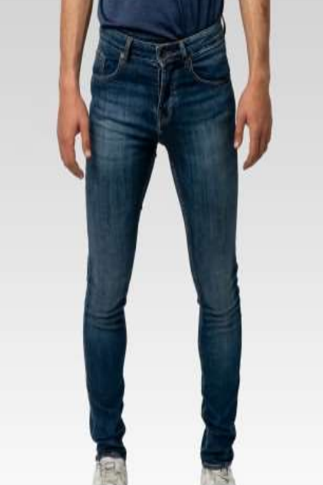
4251349485454 | 185002172MASONTB | MASON | TB | MEN | V221032 | JEANS | ALEX | 98%COTTON 2%LYCRA | 31/30 | 294
4251349485461 | 185002172MASONTB | MASON | TB | MEN | V221032 | JEANS | ALEX | 98%COTTON 2%LYCRA | 32/30 | 346
4251349485478 | 185002172MASONTB | MASON | TB | MEN | V221032 | JEANS | ALEX | 98%COTTON 2%LYCRA | 33/30 | 378
4251349485485 | 185002172MASONTB | MASON | TB | MEN | V221032 | JEANS | ALEX | 98%COTTON 2%LYCRA | 34/30 | 298
4251349485492 | 185002172MASONTB | MASON | TB | MEN | V221032 | JEANS | ALEX | 98%COTTON 2%LYCRA | 36/30 | 185
4251349485508 | 185002172MASONTB | MASON | TB | MEN | V221032 | JEANS | ALEX | 98%COTTON 2%LYCRA | 38/30 | 158
4251349485515 | 185002172MASONTB | MASON | TB | MEN | V221032 | JEANS | ALEX | 98%COTTON 2%LYCRA | 40/30 | 188
4251349485522 | 185002172MASONTB | MASON | TB | MEN | V221032 | JEANS | ALEX | 98%COTTON 2%LYCRA | 30/32 | 163
4251349485539 | 185002172MASONTB | MASON | TB | MEN | V221032 | JEANS | ALEX | 98%COTTON 2%LYCRA | 31/32 | 260
4251349485546 | 185002172MASONTB | MASON | TB | MEN | V221032 | JEANS | ALEX | 98%COTTON 2%LYCRA | 32/32 | 321
4251349485553 | 185002172MASONTB | MASON | TB | MEN | V221032 | JEANS | ALEX | 98%COTTON 2%LYCRA | 33/32 | 292
4251349485560 | 185002172MASONTB | MASON | TB | MEN | V221032 | JEANS | ALEX | 98%COTTON 2%LYCRA | 34/32 | 290
4251349485577 | 185002172MASONTB | MASON | TB | MEN | V221032 | JEANS | ALEX | 98%COTTON 2%LYCRA | 36/32 | 154
4251349485584 | 185002172MASONTB | MASON | TB | MEN | V221032 | JEANS | ALEX | 98%COTTON 2%LYCRA | 38/32 | 167
4251349485591 | 185002172MASONTB | MASON | TB | MEN | V221032 | JEANS | ALEX | 98%COTTON 2%LYCRA | 40/32 | 125
4251349485607 | 185002172MASONTB | MASON | TB | MEN | V221032 | JEANS | ALEX | 98%COTTON 2%LYCRA | 32/34 | 185
4251349485614 | 185002172MASONTB | MASON | TB | MEN | V221032 | JEANS | ALEX | 98%COTTON 2%LYCRA | 33/34 | 157
4251349485621 | 185002172MASONTB | MASON | TB | MEN | V221032 | JEANS | ALEX | 98%COTTON 2%LYCRA | 34/34 | 145
4251349485638 | 185002172MASONTB | MASON | TB | MEN | V221032 | JEANS | ALEX | 98%COTTON 2%LYCRA | 36/34 | 153
4251349485645 | 185002172VERDETB | VERDE | TB | MEN | V221033 | JEANS | ALEX | 98%COTTON 2%LYCRA | 30/30 | 162 | 4,490
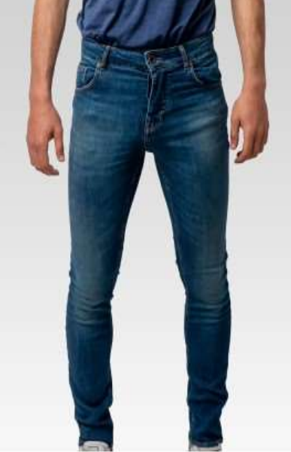
4251349485652 | 185002172VERDETB | VERDE | TB | MEN | V221033 | JEANS | ALEX | 98%COTTON 2%LYCRA | 31/30 | 320
4251349485669 | 185002172VERDETB | VERDE | TB | MEN | V221033 | JEANS | ALEX | 98%COTTON 2%LYCRA | 32/30 | 286
4251349485676 | 185002172VERDETB | VERDE | TB | MEN | V221033 | JEANS | ALEX | 98%COTTON 2%LYCRA | 33/30 | 229
4251349485683 | 185002172VERDETB | VERDE | TB | MEN | V221033 | JEANS | ALEX | 98%COTTON 2%LYCRA | 34/30 | 326
4251349485690 | 185002172VERDETB | VERDE | TB | MEN | V221033 | JEANS | ALEX | 98%COTTON 2%LYCRA | 36/30 | 155
4251349485706 | 185002172VERDETB | VERDE | TB | MEN | V221033 | JEANS | ALEX | 98%COTTON 2%LYCRA | 38/30 | 189
4251349485713 | 185002172VERDETB | VERDE | TB | MEN | V221033 | JEANS | ALEX | 98%COTTON 2%LYCRA | 40/30 | 190
4251349485720 | 185002172VERDETB | VERDE | TB | MEN | V221033 | JEANS | ALEX | 98%COTTON 2%LYCRA | 30/32 | 129
4251349485737 | 185002172VERDETB | VERDE | TB | MEN | V221033 | JEANS | ALEX | 98%COTTON 2%LYCRA | 31/32 | 291
4251349485744 | 185002172VERDETB | VERDE | TB | MEN | V221033 | JEANS | ALEX | 98%COTTON 2%LYCRA | 32/32 | 288
4251349485751 | 185002172VERDETB | VERDE | TB | MEN | V221033 | JEANS | ALEX | 98%COTTON 2%LYCRA | 33/32 | 343
4251349485768 | 185002172VERDETB | VERDE | TB | MEN | V221033 | JEANS | ALEX | 98%COTTON 2%LYCRA | 34/32 | 331
4251349485775 | 185002172VERDETB | VERDE | TB | MEN | V221033 | JEANS | ALEX | 98%COTTON 2%LYCRA | 36/32 | 160
4251349485782 | 185002172VERDETB | VERDE | TB | MEN | V221033 | JEANS | ALEX | 98%COTTON 2%LYCRA | 38/32 | 169
4251349485799 | 185002172VERDETB | VERDE | TB | MEN | V221033 | JEANS | ALEX | 98%COTTON 2%LYCRA | 40/32 | 209
4251349485805 | 185002172VERDETB | VERDE | TB | MEN | V221033 | JEANS | ALEX | 98%COTTON 2%LYCRA | 32/34 | 169
4251349485812 | 185002172VERDETB | VERDE | TB | MEN | V221033 | JEANS | ALEX | 98%COTTON 2%LYCRA | 33/34 | 213
4251349485829 | 185002172VERDETB | VERDE | TB | MEN | V221033 | JEANS | ALEX | 98%COTTON 2%LYCRA | 34/34 | 155
4251349485836 | 185002172VERDETB | VERDE | TB | MEN | V221033 | JEANS | ALEX | 98%COTTON 2%LYCRA | 36/34 | 176
4251349486437 | 185903RVRI2GRY | RI2 | BLK | MEN | V221035 | JEANS | ALEX | 81%COT/17%PL/2%EL | 30/30 | 153 | 3,099
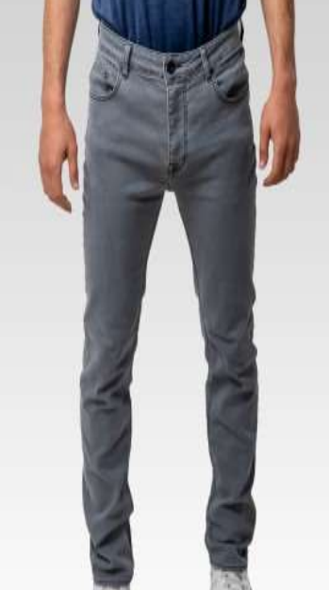
4251349486444 | 185903RVRI2GRY | RI2 | BLK | MEN | V221035 | JEANS | ALEX | 81%COT/17%PL/2%EL | 31/30 | 286
4251349486451 | 185903RVRI2GRY | RI2 | BLK | MEN | V221035 | JEANS | ALEX | 81%COT/17%PL/2%EL | 32/30 | 228
4251349486468 | 185903RVRI2GRY | RI2 | BLK | MEN | V221035 | JEANS | ALEX | 81%COT/17%PL/2%EL | 33/30 | 307
4251349486475 | 185903RVRI2GRY | RI2 | BLK | MEN | V221035 | JEANS | ALEX | 81%COT/17%PL/2%EL | 34/30 | 256
4251349486482 | 185903RVRI2GRY | RI2 | BLK | MEN | V221035 | JEANS | ALEX | 81%COT/17%PL/2%EL | 36/30 | 72
4251349486499 | 185903RVRI2GRY | RI2 | BLK | MEN | V221035 | JEANS | ALEX | 81%COT/17%PL/2%EL | 38/30 | 96
4251349486505 | 185903RVRI2GRY | RI2 | BLK | MEN | V221035 | JEANS | ALEX | 81%COT/17%PL/2%EL | 40/30 | 101
4251349486512 | 185903RVRI2GRY | RI2 | BLK | MEN | V221035 | JEANS | ALEX | 81%COT/17%PL/2%EL | 30/32 | 160
4251349486529 | 185903RVRI2GRY | RI2 | BLK | MEN | V221035 | JEANS | ALEX | 81%COT/17%PL/2%EL | 31/32 | 248
4251349486536 | 185903RVRI2GRY | RI2 | BLK | MEN | V221035 | JEANS | ALEX | 81%COT/17%PL/2%EL | 32/32 | 194
4251349486543 | 185903RVRI2GRY | RI2 | BLK | MEN | V221035 | JEANS | ALEX | 81%COT/17%PL/2%EL | 33/32 | 212
4251349486550 | 185903RVRI2GRY | RI2 | BLK | MEN | V221035 | JEANS | ALEX | 81%COT/17%PL/2%EL | 34/32 | 180
4251349486567 | 185903RVRI2GRY | RI2 | BLK | MEN | V221035 | JEANS | ALEX | 81%COT/17%PL/2%EL | 36/32 | 93
4251349486574 | 185903RVRI2GRY | RI2 | BLK | MEN | V221035 | JEANS | ALEX | 81%COT/17%PL/2%EL | 38/32 | 154
4251349486581 | 185903RVRI2GRY | RI2 | BLK | MEN | V221035 | JEANS | ALEX | 81%COT/17%PL/2%EL | 40/32 | 215
4251349486598 | 185903RVRI2GRY | RI2 | BLK | MEN | V221035 | JEANS | ALEX | 81%COT/17%PL/2%EL | 32/34 | 41
4251349486604 | 185903RVRI2GRY | RI2 | BLK | MEN | V221035 | JEANS | ALEX | 81%COT/17%PL/2%EL | 33/34 | 30
4251349486611 | 185903RVRI2GRY | RI2 | BLK | MEN | V221035 | JEANS | ALEX | 81%COT/17%PL/2%EL | 34/34 | 43
4251349486628 | 185903RVRI2GRY | RI2 | BLK | MEN | V221035 | JEANS | ALEX | 81%COT/17%PL/2%EL | 36/34 | 30
4251349486239 | 185903RVRINSEBLK | RINSE | BLK | MEN | V221034 | JEANS | ALEX | 81%COT/17%PL/2%EL | 30/30 | 176 | 4,929
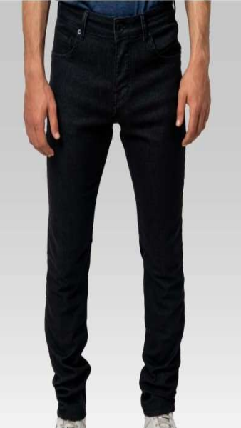
4251349486246 | 185903RVRINSEBLK | RINSE | BLK | MEN | V221034 | JEANS | ALEX | 81%COT/17%PL/2%EL | 31/30 | 382
4251349486253 | 185903RVRINSEBLK | RINSE | BLK | MEN | V221034 | JEANS | ALEX | 81%COT/17%PL/2%EL | 32/30 | 359
4251349486260 | 185903RVRINSEBLK | RINSE | BLK | MEN | V221034 | JEANS | ALEX | 81%COT/17%PL/2%EL | 33/30 | 391
4251349486277 | 185903RVRINSEBLK | RINSE | BLK | MEN | V221034 | JEANS | ALEX | 81%COT/17%PL/2%EL | 34/30 | 297
4251349486284 | 185903RVRINSEBLK | RINSE | BLK | MEN | V221034 | JEANS | ALEX | 81%COT/17%PL/2%EL | 36/30 | 178
4251349486291 | 185903RVRINSEBLK | RINSE | BLK | MEN | V221034 | JEANS | ALEX | 81%COT/17%PL/2%EL | 38/30 | 182
4251349486307 | 185903RVRINSEBLK | RINSE | BLK | MEN | V221034 | JEANS | ALEX | 81%COT/17%PL/2%EL | 40/30 | 181
4251349486314 | 185903RVRINSEBLK | RINSE | BLK | MEN | V221034 | JEANS | ALEX | 81%COT/17%PL/2%EL | 30/32 | 239
4251349486321 | 185903RVRINSEBLK | RINSE | BLK | MEN | V221034 | JEANS | ALEX | 81%COT/17%PL/2%EL | 31/32 | 266
4251349486338 | 185903RVRINSEBLK | RINSE | BLK | MEN | V221034 | JEANS | ALEX | 81%COT/17%PL/2%EL | 32/32 | 360
4251349486345 | 185903RVRINSEBLK | RINSE | BLK | MEN | V221034 | JEANS | ALEX | 81%COT/17%PL/2%EL | 33/32 | 359
4251349486352 | 185903RVRINSEBLK | RINSE | BLK | MEN | V221034 | JEANS | ALEX | 81%COT/17%PL/2%EL | 34/32 | 354
4251349486369 | 185903RVRINSEBLK | RINSE | BLK | MEN | V221034 | JEANS | ALEX | 81%COT/17%PL/2%EL | 36/32 | 178
4251349486376 | 185903RVRINSEBLK | RINSE | BLK | MEN | V221034 | JEANS | ALEX | 81%COT/17%PL/2%EL | 38/32 | 178
4251349486383 | 185903RVRINSEBLK | RINSE | BLK | MEN | V221034 | JEANS | ALEX | 81%COT/17%PL/2%EL | 40/32 | 209
4251349486390 | 185903RVRINSEBLK | RINSE | BLK | MEN | V221034 | JEANS | ALEX | 81%COT/17%PL/2%EL | 32/34 | 169
4251349486406 | 185903RVRINSEBLK | RINSE | BLK | MEN | V221034 | JEANS | ALEX | 81%COT/17%PL/2%EL | 33/34 | 198
4251349486413 | 185903RVRINSEBLK | RINSE | BLK | MEN | V221034 | JEANS | ALEX | 81%COT/17%PL/2%EL | 34/34 | 135
4251349486420 | 185903RVRINSEBLK | RINSE | BLK | MEN | V221034 | JEANS | ALEX | 81%COT/17%PL/2%EL | 36/34 | 138
4251349482910 | 187243SIOUXLONGMASONTB | MASON | TB | MEN | V221021 | JEANS | ALEX | 81%COT11%LYO6%EME2%EL | 30/30 | 15 | 288
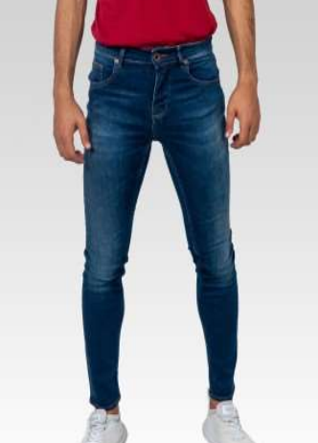
4251349482927 | 187243SIOUXLONGMASONTB | MASON | TB | MEN | V221021 | JEANS | ALEX | 81%COT11%LYO6%EME2%EL | 31/30 | 15
4251349482934 | 187243SIOUXLONGMASONTB | MASON | TB | MEN | V221021 | JEANS | ALEX | 81%COT11%LYO6%EME2%EL | 32/30 | 10
4251349482941 | 187243SIOUXLONGMASONTB | MASON | TB | MEN | V221021 | JEANS | ALEX | 81%COT11%LYO6%EME2%EL | 33/30 | 15
4251349482958 | 187243SIOUXLONGMASONTB | MASON | TB | MEN | V221021 | JEANS | ALEX | 81%COT11%LYO6%EME2%EL | 34/30 | 9
4251349482965 | 187243SIOUXLONGMASONTB | MASON | TB | MEN | V221021 | JEANS | ALEX | 81%COT11%LYO6%EME2%EL | 36/30 | 13
4251349482972 | 187243SIOUXLONGMASONTB | MASON | TB | MEN | V221021 | JEANS | ALEX | 81%COT11%LYO6%EME2%EL | 38/30 | 29
4251349482989 | 187243SIOUXLONGMASONTB | MASON | TB | MEN | V221021 | JEANS | ALEX | 81%COT11%LYO6%EME2%EL | 40/30 | 9
4251349482996 | 187243SIOUXLONGMASONTB | MASON | TB | MEN | V221021 | JEANS | ALEX | 81%COT11%LYO6%EME2%EL | 30/32 | 18
4251349483009 | 187243SIOUXLONGMASONTB | MASON | TB | MEN | V221021 | JEANS | ALEX | 81%COT11%LYO6%EME2%EL | 31/32 | 1
4251349483016 | 187243SIOUXLONGMASONTB | MASON | TB | MEN | V221021 | JEANS | ALEX | 81%COT11%LYO6%EME2%EL | 32/32 | 1
4251349483023 | 187243SIOUXLONGMASONTB | MASON | TB | MEN | V221021 | JEANS | ALEX | 81%COT11%LYO6%EME2%EL | 33/32 | 2
4251349483030 | 187243SIOUXLONGMASONTB | MASON | TB | MEN | V221021 | JEANS | ALEX | 81%COT11%LYO6%EME2%EL | 34/32 | 0
4251349483047 | 187243SIOUXLONGMASONTB | MASON | TB | MEN | V221021 | JEANS | ALEX | 81%COT11%LYO6%EME2%EL | 36/32 | 0
4251349483054 | 187243SIOUXLONGMASONTB | MASON | TB | MEN | V221021 | JEANS | ALEX | 81%COT11%LYO6%EME2%EL | 38/32 | 0
4251349483061 | 187243SIOUXLONGMASONTB | MASON | TB | MEN | V221021 | JEANS | ALEX | 81%COT11%LYO6%EME2%EL | 40/32 | 51
4251349483078 | 187243SIOUXLONGMASONTB | MASON | TB | MEN | V221021 | JEANS | ALEX | 81%COT11%LYO6%EME2%EL | 32/34 | 7
4251349483085 | 187243SIOUXLONGMASONTB | MASON | TB | MEN | V221021 | JEANS | ALEX | 81%COT11%LYO6%EME2%EL | 33/34 | 34
4251349483092 | 187243SIOUXLONGMASONTB | MASON | TB | MEN | V221021 | JEANS | ALEX | 81%COT11%LYO6%EME2%EL | 34/34 | 31
4251349483108 | 187243SIOUXLONGMASONTB | MASON | TB | MEN | V221021 | JEANS | ALEX | 81%COT11%LYO6%EME2%EL | 36/34 | 28
4251349484310 | 187556KOLDPURMASONTB | MASON | TB | MEN | V221028 | JEANS | ALEX | 92%COT 6%EME 2%LYC | 30/30 | 10 | 691
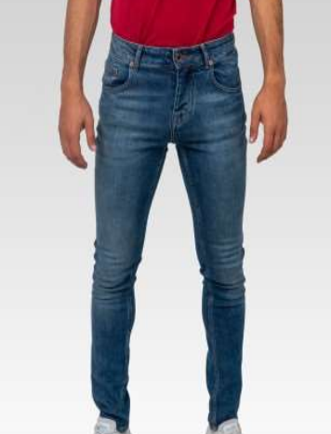
4251349484327 | 187556KOLDPURMASONTB | MASON | TB | MEN | V221028 | JEANS | ALEX | 92%COT 6%EME 2%LYC | 31/30 | 117
4251349484334 | 187556KOLDPURMASONTB | MASON | TB | MEN | V221028 | JEANS | ALEX | 92%COT 6%EME 2%LYC | 32/30 | 84
4251349484341 | 187556KOLDPURMASONTB | MASON | TB | MEN | V221028 | JEANS | ALEX | 92%COT 6%EME 2%LYC | 33/30 | 90
4251349484358 | 187556KOLDPURMASONTB | MASON | TB | MEN | V221028 | JEANS | ALEX | 92%COT 6%EME 2%LYC | 34/30 | 80
4251349484365 | 187556KOLDPURMASONTB | MASON | TB | MEN | V221028 | JEANS | ALEX | 92%COT 6%EME 2%LYC | 36/30 | 38
4251349484372 | 187556KOLDPURMASONTB | MASON | TB | MEN | V221028 | JEANS | ALEX | 92%COT 6%EME 2%LYC | 38/30 | 33
4251349484389 | 187556KOLDPURMASONTB | MASON | TB | MEN | V221028 | JEANS | ALEX | 92%COT 6%EME 2%LYC | 40/30 | 40
4251349484396 | 187556KOLDPURMASONTB | MASON | TB | MEN | V221028 | JEANS | ALEX | 92%COT 6%EME 2%LYC | 30/32 | 31
4251349484402 | 187556KOLDPURMASONTB | MASON | TB | MEN | V221028 | JEANS | ALEX | 92%COT 6%EME 2%LYC | 31/32 | 24
4251349484419 | 187556KOLDPURMASONTB | MASON | TB | MEN | V221028 | JEANS | ALEX | 92%COT 6%EME 2%LYC | 32/32 | 0
4251349484426 | 187556KOLDPURMASONTB | MASON | TB | MEN | V221028 | JEANS | ALEX | 92%COT 6%EME 2%LYC | 33/32 | 0
4251349484433 | 187556KOLDPURMASONTB | MASON | TB | MEN | V221028 | JEANS | ALEX | 92%COT 6%EME 2%LYC | 34/32 | 0
4251349484440 | 187556KOLDPURMASONTB | MASON | TB | MEN | V221028 | JEANS | ALEX | 92%COT 6%EME 2%LYC | 36/32 | 0
4251349484457 | 187556KOLDPURMASONTB | MASON | TB | MEN | V221028 | JEANS | ALEX | 92%COT 6%EME 2%LYC | 38/32 | 0
4251349484464 | 187556KOLDPURMASONTB | MASON | TB | MEN | V221028 | JEANS | ALEX | 92%COT 6%EME 2%LYC | 40/32 | 27
4251349484471 | 187556KOLDPURMASONTB | MASON | TB | MEN | V221028 | JEANS | ALEX | 92%COT 6%EME 2%LYC | 32/34 | 32
4251349484488 | 187556KOLDPURMASONTB | MASON | TB | MEN | V221028 | JEANS | ALEX | 92%COT 6%EME 2%LYC | 33/34 | 30
4251349484495 | 187556KOLDPURMASONTB | MASON | TB | MEN | V221028 | JEANS | ALEX | 92%COT 6%EME 2%LYC | 34/34 | 30
4251349484501 | 187556KOLDPURMASONTB | MASON | TB | MEN | V221028 | JEANS | ALEX | 92%COT 6%EME 2%LYC | 36/34 | 25
4251349474571 | 187556KRIKSTB | RIKS | TB | MEN | V221002 | JEANS | ALEX | %98 COT %2 EA | 30/30 | 106 | 647
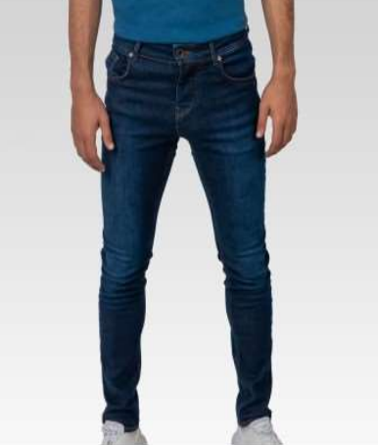
4251349474588 | 187556KRIKSTB | RIKS | TB | MEN | V221002 | JEANS | ALEX | %98 COT %2 EA | 31/30 | 153
4251349474595 | 187556KRIKSTB | RIKS | TB | MEN | V221002 | JEANS | ALEX | %98 COT %2 EA | 32/30 | 4
4251349474601 | 187556KRIKSTB | RIKS | TB | MEN | V221002 | JEANS | ALEX | %98 COT %2 EA | 33/30 | 9
4251349474618 | 187556KRIKSTB | RIKS | TB | MEN | V221002 | JEANS | ALEX | %98 COT %2 EA | 34/30 | 4
4251349474625 | 187556KRIKSTB | RIKS | TB | MEN | V221002 | JEANS | ALEX | %98 COT %2 EA | 36/30 | 2
4251349474632 | 187556KRIKSTB | RIKS | TB | MEN | V221002 | JEANS | ALEX | %98 COT %2 EA | 38/30 | 65
4251349474649 | 187556KRIKSTB | RIKS | TB | MEN | V221002 | JEANS | ALEX | %98 COT %2 EA | 40/30 | 77
4251349474656 | 187556KRIKSTB | RIKS | TB | MEN | V221002 | JEANS | ALEX | %98 COT %2 EA | 30/32 | 48
4251349474663 | 187556KRIKSTB | RIKS | TB | MEN | V221002 | JEANS | ALEX | %98 COT %2 EA | 31/32 | 143
4251349474670 | 187556KRIKSTB | RIKS | TB | MEN | V221002 | JEANS | ALEX | %98 COT %2 EA | 32/32 | 0
4251349474687 | 187556KRIKSTB | RIKS | TB | MEN | V221002 | JEANS | ALEX | %98 COT %2 EA | 33/32 | 6
4251349474694 | 187556KRIKSTB | RIKS | TB | MEN | V221002 | JEANS | ALEX | %98 COT %2 EA | 34/32 | 2
4251349474700 | 187556KRIKSTB | RIKS | TB | MEN | V221002 | JEANS | ALEX | %98 COT %2 EA | 36/32 | 9
4251349474717 | 187556KRIKSTB | RIKS | TB | MEN | V221002 | JEANS | ALEX | %98 COT %2 EA | 38/32 | 10
4251349474724 | 187556KRIKSTB | RIKS | TB | MEN | V221002 | JEANS | ALEX | %98 COT %2 EA | 40/32 | 9
4251349483115 | 187716NDRONERINSETB | RINSE | TB | MEN | V221022 | JEANS | ALEX | 98%COT 2%EL | 30/30 | 36 | 887
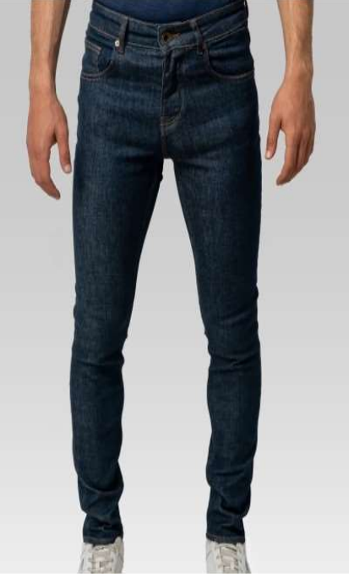
4251349483122 | 187716NDRONERINSETB | RINSE | TB | MEN | V221022 | JEANS | ALEX | 98%COT 2%EL | 31/30 | 42
4251349483139 | 187716NDRONERINSETB | RINSE | TB | MEN | V221022 | JEANS | ALEX | 98%COT 2%EL | 32/30 | 48
4251349483146 | 187716NDRONERINSETB | RINSE | TB | MEN | V221022 | JEANS | ALEX | 98%COT 2%EL | 33/30 | 41
4251349483153 | 187716NDRONERINSETB | RINSE | TB | MEN | V221022 | JEANS | ALEX | 98%COT 2%EL | 34/30 | 22
4251349483160 | 187716NDRONERINSETB | RINSE | TB | MEN | V221022 | JEANS | ALEX | 98%COT 2%EL | 36/30 | 33
4251349483177 | 187716NDRONERINSETB | RINSE | TB | MEN | V221022 | JEANS | ALEX | 98%COT 2%EL | 38/30 | 31
4251349483184 | 187716NDRONERINSETB | RINSE | TB | MEN | V221022 | JEANS | ALEX | 98%COT 2%EL | 40/30 | 36
4251349483191 | 187716NDRONERINSETB | RINSE | TB | MEN | V221022 | JEANS | ALEX | 98%COT 2%EL | 30/32 | 31
4251349483207 | 187716NDRONERINSETB | RINSE | TB | MEN | V221022 | JEANS | ALEX | 98%COT 2%EL | 31/32 | 71
4251349483214 | 187716NDRONERINSETB | RINSE | TB | MEN | V221022 | JEANS | ALEX | 98%COT 2%EL | 32/32 | 76
4251349483221 | 187716NDRONERINSETB | RINSE | TB | MEN | V221022 | JEANS | ALEX | 98%COT 2%EL | 33/32 | 72
4251349483238 | 187716NDRONERINSETB | RINSE | TB | MEN | V221022 | JEANS | ALEX | 98%COT 2%EL | 34/32 | 91
4251349483245 | 187716NDRONERINSETB | RINSE | TB | MEN | V221022 | JEANS | ALEX | 98%COT 2%EL | 36/32 | 34
4251349483252 | 187716NDRONERINSETB | RINSE | TB | MEN | V221022 | JEANS | ALEX | 98%COT 2%EL | 38/32 | 37
4251349483269 | 187716NDRONERINSETB | RINSE | TB | MEN | V221022 | JEANS | ALEX | 98%COT 2%EL | 40/32 | 37
4251349483276 | 187716NDRONERINSETB | RINSE | TB | MEN | V221022 | JEANS | ALEX | 98%COT 2%EL | 32/34 | 38
4251349483283 | 187716NDRONERINSETB | RINSE | TB | MEN | V221022 | JEANS | ALEX | 98%COT 2%EL | 33/34 | 37
4251349483290 | 187716NDRONERINSETB | RINSE | TB | MEN | V221022 | JEANS | ALEX | 98%COT 2%EL | 34/34 | 36
4251349483306 | 187716NDRONERINSETB | RINSE | TB | MEN | V221022 | JEANS | ALEX | 98%COT 2%EL | 36/34 | 38
4251349484112 | 187777YSTRDYMASONTB | MASON | TB | MEN | V221027 | JEANS | ALEX | 92%COT 6%EME 2%LYC | 30/30 | 59 | 1,699
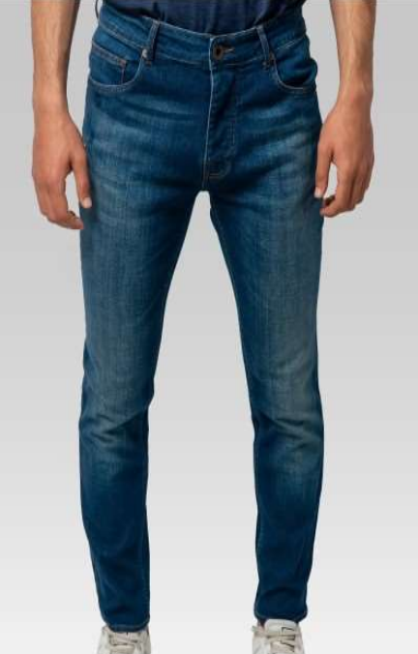
4251349484129 | 187777YSTRDYMASONTB | MASON | TB | MEN | V221027 | JEANS | ALEX | 92%COT 6%EME 2%LYC | 31/30 | 133
4251349484136 | 187777YSTRDYMASONTB | MASON | TB | MEN | V221027 | JEANS | ALEX | 92%COT 6%EME 2%LYC | 32/30 | 133
4251349484143 | 187777YSTRDYMASONTB | MASON | TB | MEN | V221027 | JEANS | ALEX | 92%COT 6%EME 2%LYC | 33/30 | 140
4251349484150 | 187777YSTRDYMASONTB | MASON | TB | MEN | V221027 | JEANS | ALEX | 92%COT 6%EME 2%LYC | 34/30 | 132
4251349484167 | 187777YSTRDYMASONTB | MASON | TB | MEN | V221027 | JEANS | ALEX | 92%COT 6%EME 2%LYC | 36/30 | 60
4251349484174 | 187777YSTRDYMASONTB | MASON | TB | MEN | V221027 | JEANS | ALEX | 92%COT 6%EME 2%LYC | 38/30 | 63
4251349484181 | 187777YSTRDYMASONTB | MASON | TB | MEN | V221027 | JEANS | ALEX | 92%COT 6%EME 2%LYC | 40/30 | 63
4251349484198 | 187777YSTRDYMASONTB | MASON | TB | MEN | V221027 | JEANS | ALEX | 92%COT 6%EME 2%LYC | 30/32 | 59
4251349484204 | 187777YSTRDYMASONTB | MASON | TB | MEN | V221027 | JEANS | ALEX | 92%COT 6%EME 2%LYC | 31/32 | 134
4251349484211 | 187777YSTRDYMASONTB | MASON | TB | MEN | V221027 | JEANS | ALEX | 92%COT 6%EME 2%LYC | 32/32 | 168
4251349484228 | 187777YSTRDYMASONTB | MASON | TB | MEN | V221027 | JEANS | ALEX | 92%COT 6%EME 2%LYC | 33/32 | 131
4251349484235 | 187777YSTRDYMASONTB | MASON | TB | MEN | V221027 | JEANS | ALEX | 92%COT 6%EME 2%LYC | 34/32 | 137
4251349484242 | 187777YSTRDYMASONTB | MASON | TB | MEN | V221027 | JEANS | ALEX | 92%COT 6%EME 2%LYC | 36/32 | 67
4251349484259 | 187777YSTRDYMASONTB | MASON | TB | MEN | V221027 | JEANS | ALEX | 92%COT 6%EME 2%LYC | 38/32 | 63
4251349484266 | 187777YSTRDYMASONTB | MASON | TB | MEN | V221027 | JEANS | ALEX | 92%COT 6%EME 2%LYC | 40/32 | 63
4251349484273 | 187777YSTRDYMASONTB | MASON | TB | MEN | V221027 | JEANS | ALEX | 92%COT 6%EME 2%LYC | 32/34 | 0
4251349484280 | 187777YSTRDYMASONTB | MASON | TB | MEN | V221027 | JEANS | ALEX | 92%COT 6%EME 2%LYC | 33/34 | 34
4251349484297 | 187777YSTRDYMASONTB | MASON | TB | MEN | V221027 | JEANS | ALEX | 92%COT 6%EME 2%LYC | 34/34 | 30
4251349484303 | 187777YSTRDYMASONTB | MASON | TB | MEN | V221027 | JEANS | ALEX | 92%COT 6%EME 2%LYC | 36/34 | 30
4251349483719 | 18855KNAVYRIKSTB | RIKS | TB | MEN | V221025 | JEANS | ALEX | 97%ORGCOT 3%EL | 30/30 | 44 | 977
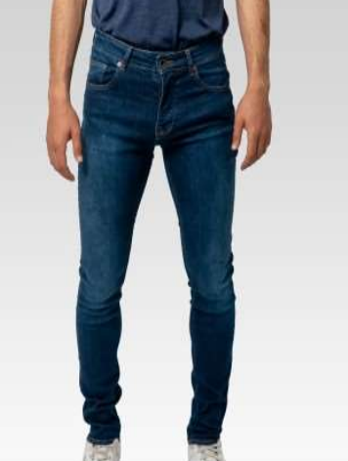
4251349483726 | 18855KNAVYRIKSTB | RIKS | TB | MEN | V221025 | JEANS | ALEX | 97%ORGCOT 3%EL | 31/30 | 82
4251349483733 | 18855KNAVYRIKSTB | RIKS | TB | MEN | V221025 | JEANS | ALEX | 97%ORGCOT 3%EL | 32/30 | 53
4251349483740 | 18855KNAVYRIKSTB | RIKS | TB | MEN | V221025 | JEANS | ALEX | 97%ORGCOT 3%EL | 33/30 | 85
4251349483757 | 18855KNAVYRIKSTB | RIKS | TB | MEN | V221025 | JEANS | ALEX | 97%ORGCOT 3%EL | 34/30 | 66
4251349483764 | 18855KNAVYRIKSTB | RIKS | TB | MEN | V221025 | JEANS | ALEX | 97%ORGCOT 3%EL | 36/30 | 62
4251349483771 | 18855KNAVYRIKSTB | RIKS | TB | MEN | V221025 | JEANS | ALEX | 97%ORGCOT 3%EL | 38/30 | 50
4251349483788 | 18855KNAVYRIKSTB | RIKS | TB | MEN | V221025 | JEANS | ALEX | 97%ORGCOT 3%EL | 40/30 | 41
4251349483795 | 18855KNAVYRIKSTB | RIKS | TB | MEN | V221025 | JEANS | ALEX | 97%ORGCOT 3%EL | 30/32 | 43
4251349483801 | 18855KNAVYRIKSTB | RIKS | TB | MEN | V221025 | JEANS | ALEX | 97%ORGCOT 3%EL | 31/32 | 81
4251349483818 | 18855KNAVYRIKSTB | RIKS | TB | MEN | V221025 | JEANS | ALEX | 97%ORGCOT 3%EL | 32/32 | 80
4251349483825 | 18855KNAVYRIKSTB | RIKS | TB | MEN | V221025 | JEANS | ALEX | 97%ORGCOT 3%EL | 33/32 | 50
4251349483832 | 18855KNAVYRIKSTB | RIKS | TB | MEN | V221025 | JEANS | ALEX | 97%ORGCOT 3%EL | 34/32 | 80
4251349483849 | 18855KNAVYRIKSTB | RIKS | TB | MEN | V221025 | JEANS | ALEX | 97%ORGCOT 3%EL | 36/32 | 0
4251349483856 | 18855KNAVYRIKSTB | RIKS | TB | MEN | V221025 | JEANS | ALEX | 97%ORGCOT 3%EL | 38/32 | 40
4251349483863 | 18855KNAVYRIKSTB | RIKS | TB | MEN | V221025 | JEANS | ALEX | 97%ORGCOT 3%EL | 40/32 | 0
4251349483870 | 18855KNAVYRIKSTB | RIKS | TB | MEN | V221025 | JEANS | ALEX | 97%ORGCOT 3%EL | 32/34 | 30
4251349483887 | 18855KNAVYRIKSTB | RIKS | TB | MEN | V221025 | JEANS | ALEX | 97%ORGCOT 3%EL | 33/34 | 30
4251349483894 | 18855KNAVYRIKSTB | RIKS | TB | MEN | V221025 | JEANS | ALEX | 97%ORGCOT 3%EL | 34/34 | 30
4251349483900 | 18855KNAVYRIKSTB | RIKS | TB | MEN | V221025 | JEANS | ALEX | 97%ORGCOT 3%EL | 36/34 | 30
4251349480718 | 188855KSREALRIKSTB | RIKS | TB | MEN | V221010 | JEANS | ALEX | 97%ORGCOT 3%EL | 30/30 | 45 | 581
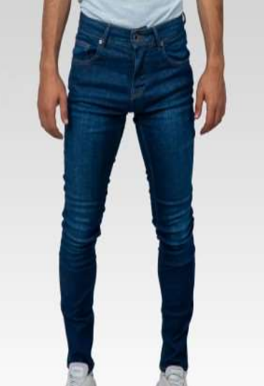
4251349480725 | 188855KSREALRIKSTB | RIKS | TB | MEN | V221010 | JEANS | ALEX | 97%ORGCOT 3%EL | 31/30 | 85
4251349480732 | 188855KSREALRIKSTB | RIKS | TB | MEN | V221010 | JEANS | ALEX | 97%ORGCOT 3%EL | 32/30 | 127
4251349480749 | 188855KSREALRIKSTB | RIKS | TB | MEN | V221010 | JEANS | ALEX | 97%ORGCOT 3%EL | 33/30 | 114
4251349480756 | 188855KSREALRIKSTB | RIKS | TB | MEN | V221010 | JEANS | ALEX | 97%ORGCOT 3%EL | 34/30 | 106
4251349480763 | 188855KSREALRIKSTB | RIKS | TB | MEN | V221010 | JEANS | ALEX | 97%ORGCOT 3%EL | 36/30 | 60
4251349480770 | 188855KSREALRIKSTB | RIKS | TB | MEN | V221010 | JEANS | ALEX | 97%ORGCOT 3%EL | 38/30 | 0
4251349480787 | 188855KSREALRIKSTB | RIKS | TB | MEN | V221010 | JEANS | ALEX | 97%ORGCOT 3%EL | 40/30 | 0
4251349480794 | 188855KSREALRIKSTB | RIKS | TB | MEN | V221010 | JEANS | ALEX | 97%ORGCOT 3%EL | 30/32 | 0
4251349480800 | 188855KSREALRIKSTB | RIKS | TB | MEN | V221010 | JEANS | ALEX | 97%ORGCOT 3%EL | 31/32 | 4
4251349480817 | 188855KSREALRIKSTB | RIKS | TB | MEN | V221010 | JEANS | ALEX | 97%ORGCOT 3%EL | 32/32 | 1
4251349480824 | 188855KSREALRIKSTB | RIKS | TB | MEN | V221010 | JEANS | ALEX | 97%ORGCOT 3%EL | 33/32 | 3
4251349480831 | 188855KSREALRIKSTB | RIKS | TB | MEN | V221010 | JEANS | ALEX | 97%ORGCOT 3%EL | 34/32 | 1
4251349480848 | 188855KSREALRIKSTB | RIKS | TB | MEN | V221010 | JEANS | ALEX | 97%ORGCOT 3%EL | 36/32 | 1
4251349480855 | 188855KSREALRIKSTB | RIKS | TB | MEN | V221010 | JEANS | ALEX | 97%ORGCOT 3%EL | 38/32 | 2
4251349480862 | 188855KSREALRIKSTB | RIKS | TB | MEN | V221010 | JEANS | ALEX | 97%ORGCOT 3%EL | 40/32 | 0
4251349480879 | 188855KSREALRIKSTB | RIKS | TB | MEN | V221010 | JEANS | ALEX | 97%ORGCOT 3%EL | 32/34 | 0
4251349480886 | 188855KSREALRIKSTB | RIKS | TB | MEN | V221010 | JEANS | ALEX | 97%ORGCOT 3%EL | 33/34 | 0
4251349480893 | 188855KSREALRIKSTB | RIKS | TB | MEN | V221010 | JEANS | ALEX | 97%ORGCOT 3%EL | 34/34 | 30
4251349480909 | 188855KSREALRIKSTB | RIKS | TB | MEN | V221010 | JEANS | ALEX | 97%ORGCOT 3%EL | 36/34 | 2
4251349480510 | 188855KSREALRINSETB | RINSE | TB | MEN | V221009 | JEANS | ALEX | 97%ORGCOT 3%EL | 30/30 | 40 | 1,400
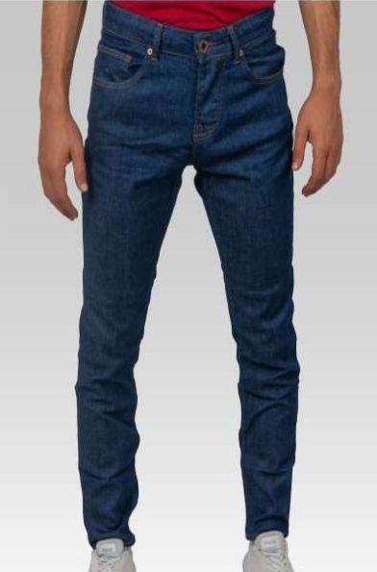
4251349480527 | 188855KSREALRINSETB | RINSE | TB | MEN | V221009 | JEANS | ALEX | 97%ORGCOT 3%EL | 31/30 | 84
4251349480534 | 188855KSREALRINSETB | RINSE | TB | MEN | V221009 | JEANS | ALEX | 97%ORGCOT 3%EL | 32/30 | 150
4251349480541 | 188855KSREALRINSETB | RINSE | TB | MEN | V221009 | JEANS | ALEX | 97%ORGCOT 3%EL | 33/30 | 130
4251349480558 | 188855KSREALRINSETB | RINSE | TB | MEN | V221009 | JEANS | ALEX | 97%ORGCOT 3%EL | 34/30 | 92
4251349480565 | 188855KSREALRINSETB | RINSE | TB | MEN | V221009 | JEANS | ALEX | 97%ORGCOT 3%EL | 36/30 | 46
4251349480572 | 188855KSREALRINSETB | RINSE | TB | MEN | V221009 | JEANS | ALEX | 97%ORGCOT 3%EL | 38/30 | 0
4251349480589 | 188855KSREALRINSETB | RINSE | TB | MEN | V221009 | JEANS | ALEX | 97%ORGCOT 3%EL | 40/30 | 0
4251349480596 | 188855KSREALRINSETB | RINSE | TB | MEN | V221009 | JEANS | ALEX | 97%ORGCOT 3%EL | 30/32 | 29
4251349480602 | 188855KSREALRINSETB | RINSE | TB | MEN | V221009 | JEANS | ALEX | 97%ORGCOT 3%EL | 31/32 | 66
4251349480619 | 188855KSREALRINSETB | RINSE | TB | MEN | V221009 | JEANS | ALEX | 97%ORGCOT 3%EL | 32/32 | 128
4251349480626 | 188855KSREALRINSETB | RINSE | TB | MEN | V221009 | JEANS | ALEX | 97%ORGCOT 3%EL | 33/32 | 119
4251349480633 | 188855KSREALRINSETB | RINSE | TB | MEN | V221009 | JEANS | ALEX | 97%ORGCOT 3%EL | 34/32 | 100
4251349480640 | 188855KSREALRINSETB | RINSE | TB | MEN | V221009 | JEANS | ALEX | 97%ORGCOT 3%EL | 36/32 | 50
4251349480657 | 188855KSREALRINSETB | RINSE | TB | MEN | V221009 | JEANS | ALEX | 97%ORGCOT 3%EL | 38/32 | 48
4251349480664 | 188855KSREALRINSETB | RINSE | TB | MEN | V221009 | JEANS | ALEX | 97%ORGCOT 3%EL | 40/32 | 53
4251349480671 | 188855KSREALRINSETB | RINSE | TB | MEN | V221009 | JEANS | ALEX | 97%ORGCOT 3%EL | 32/34 | 80
4251349480688 | 188855KSREALRINSETB | RINSE | TB | MEN | V221009 | JEANS | ALEX | 97%ORGCOT 3%EL | 33/34 | 83
4251349480695 | 188855KSREALRINSETB | RINSE | TB | MEN | V221009 | JEANS | ALEX | 97%ORGCOT 3%EL | 34/34 | 33
4251349480701 | 188855KSREALRINSETB | RINSE | TB | MEN | V221009 | JEANS | ALEX | 97%ORGCOT 3%EL | 36/34 | 69
4251349484914 | 188865 K-NAVYVERDETB | VERDE | BLK | MEN | V221031 | JEANS | ALEX | 98%COT 2%EL | 30/30 | 29 | 1,382
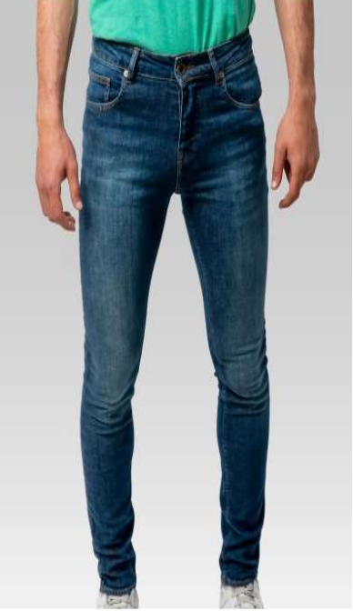
4251349484921 | 188865 K-NAVYVERDETB | VERDE | BLK | MEN | V221031 | JEANS | ALEX | 98%COT 2%EL | 31/30 | 60
4251349484928 | 188865 K-NAVYVERDETB | VERDE | BLK | MEN | V221031 | JEANS | ALEX | 98%COT 2%EL | 32/30 | 120
4251349484945 | 188865 K-NAVYVERDETB | VERDE | BLK | MEN | V221031 | JEANS | ALEX | 98%COT 2%EL | 33/30 | 109
4251349484952 | 188865 K-NAVYVERDETB | VERDE | BLK | MEN | V221031 | JEANS | ALEX | 98%COT 2%EL | 34/30 | 110
4251349484959 | 188865 K-NAVYVERDETB | VERDE | BLK | MEN | V221031 | JEANS | ALEX | 98%COT 2%EL | 36/30 | 58
4251349484976 | 188865 K-NAVYVERDETB | VERDE | BLK | MEN | V221031 | JEANS | ALEX | 98%COT 2%EL | 38/30 | 59
4251349484983 | 188865 K-NAVYVERDETB | VERDE | BLK | MEN | V221031 | JEANS | ALEX | 98%COT 2%EL | 40/30 | 59
4251349484990 | 188865 K-NAVYVERDETB | VERDE | BLK | MEN | V221031 | JEANS | ALEX | 98%COT 2%EL | 30/32 | 28
4251349485006 | 188865 K-NAVYVERDETB | VERDE | BLK | MEN | V221031 | JEANS | ALEX | 98%COT 2%EL | 31/32 | 111
4251349485013 | 188865 K-NAVYVERDETB | VERDE | BLK | MEN | V221031 | JEANS | ALEX | 98%COT 2%EL | 32/32 | 175
4251349485020 | 188865 K-NAVYVERDETB | VERDE | BLK | MEN | V221031 | JEANS | ALEX | 98%COT 2%EL | 33/32 | 80
4251349485037 | 188865 K-NAVYVERDETB | VERDE | BLK | MEN | V221031 | JEANS | ALEX | 98%COT 2%EL | 34/32 | 120
4251349485044 | 188865 K-NAVYVERDETB | VERDE | BLK | MEN | V221031 | JEANS | ALEX | 98%COT 2%EL | 36/32 | 58
4251349485051 | 188865 K-NAVYVERDETB | VERDE | BLK | MEN | V221031 | JEANS | ALEX | 98%COT 2%EL | 38/32 | 58
4251349485058 | 188865 K-NAVYVERDETB | VERDE | BLK | MEN | V221031 | JEANS | ALEX | 98%COT 2%EL | 40/32 | 118
4251349485075 | 188865 K-NAVYVERDETB | VERDE | BLK | MEN | V221031 | JEANS | ALEX | 98%COT 2%EL | 32/34 | 11
4251349485082 | 188865 K-NAVYVERDETB | VERDE | BLK | MEN | V221031 | JEANS | ALEX | 98%COT 2%EL | 33/34 | 9
4251349485089 | 188865 K-NAVYVERDETB | VERDE | BLK | MEN | V221031 | JEANS | ALEX | 98%COT 2%EL | 34/34 | 10
4251349482118 | 188865KSEALMASONTB | MASON | TB | MEN | V221017 | JEANS | ALEX | 98%COT 2%EL | 30/30 | 46 | 830
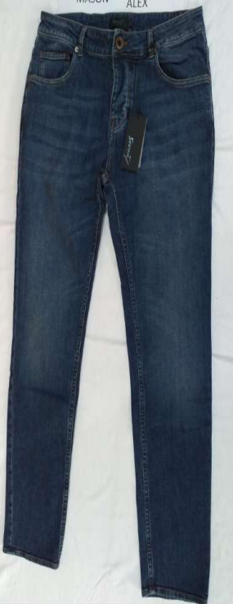
4251349482125 | 188865KSEALMASONTB | MASON | TB | MEN | V221017 | JEANS | ALEX | 98%COT 2%EL | 31/30 | 105
4251349482132 | 188865KSEALMASONTB | MASON | TB | MEN | V221017 | JEANS | ALEX | 98%COT 2%EL | 32/30 | 79
4251349482149 | 188865KSEALMASONTB | MASON | TB | MEN | V221017 | JEANS | ALEX | 98%COT 2%EL | 33/30 | 77
4251349482156 | 188865KSEALMASONTB | MASON | TB | MEN | V221017 | JEANS | ALEX | 98%COT 2%EL | 34/30 | 77
4251349482163 | 188865KSEALMASONTB | MASON | TB | MEN | V221017 | JEANS | ALEX | 98%COT 2%EL | 36/30 | 44
4251349482170 | 188865KSEALMASONTB | MASON | TB | MEN | V221017 | JEANS | ALEX | 98%COT 2%EL | 38/30 | 43
4251349482187 | 188865KSEALMASONTB | MASON | TB | MEN | V221017 | JEANS | ALEX | 98%COT 2%EL | 40/30 | 68
4251349482194 | 188865KSEALMASONTB | MASON | TB | MEN | V221017 | JEANS | ALEX | 98%COT 2%EL | 30/32 | 50
4251349482200 | 188865KSEALMASONTB | MASON | TB | MEN | V221017 | JEANS | ALEX | 98%COT 2%EL | 31/32 | 36
4251349482217 | 188865KSEALMASONTB | MASON | TB | MEN | V221017 | JEANS | ALEX | 98%COT 2%EL | 32/32 | 0
4251349482224 | 188865KSEALMASONTB | MASON | TB | MEN | V221017 | JEANS | ALEX | 98%COT 2%EL | 33/32 | 0
4251349482231 | 188865KSEALMASONTB | MASON | TB | MEN | V221017 | JEANS | ALEX | 98%COT 2%EL | 34/32 | 0
4251349482248 | 188865KSEALMASONTB | MASON | TB | MEN | V221017 | JEANS | ALEX | 98%COT 2%EL | 36/32 | 6
4251349482255 | 188865KSEALMASONTB | MASON | TB | MEN | V221017 | JEANS | ALEX | 98%COT 2%EL | 38/32 | 27
4251349482262 | 188865KSEALMASONTB | MASON | TB | MEN | V221017 | JEANS | ALEX | 98%COT 2%EL | 40/32 | 60
4251349482279 | 188865KSEALMASONTB | MASON | TB | MEN | V221017 | JEANS | ALEX | 98%COT 2%EL | 32/34 | 27
4251349482286 | 188865KSEALMASONTB | MASON | TB | MEN | V221017 | JEANS | ALEX | 98%COT 2%EL | 33/34 | 26
4251349482293 | 188865KSEALMASONTB | MASON | TB | MEN | V221017 | JEANS | ALEX | 98%COT 2%EL | 34/34 | 24
4251349482309 | 188865KSEALMASONTB | MASON | TB | MEN | V221017 | JEANS | ALEX | 98%COT 2%EL | 36/34 | 35
4251349482316 | 188865KSEALRINSETB | RINSE | TB | MEN | V221018 | JEANS | ALEX | 98%COT 2%EL | 30/30 | 71 | 1,452
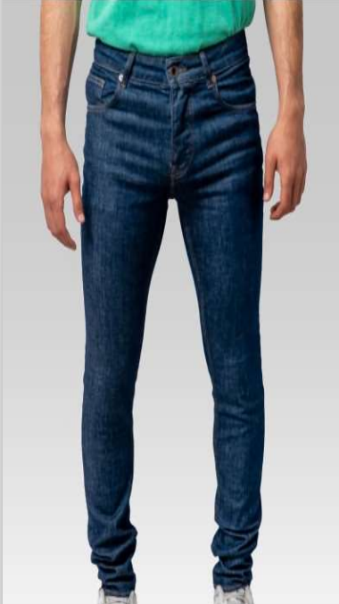
4251349482323 | 188865KSEALRINSETB | RINSE | TB | MEN | V221018 | JEANS | ALEX | 98%COT 2%EL | 31/30 | 139
4251349482330 | 188865KSEALRINSETB | RINSE | TB | MEN | V221018 | JEANS | ALEX | 98%COT 2%EL | 32/30 | 145
4251349482347 | 188865KSEALRINSETB | RINSE | TB | MEN | V221018 | JEANS | ALEX | 98%COT 2%EL | 33/30 | 173
4251349482354 | 188865KSEALRINSETB | RINSE | TB | MEN | V221018 | JEANS | ALEX | 98%COT 2%EL | 34/30 | 144
4251349482361 | 188865KSEALRINSETB | RINSE | TB | MEN | V221018 | JEANS | ALEX | 98%COT 2%EL | 36/30 | 71
4251349482378 | 188865KSEALRINSETB | RINSE | TB | MEN | V221018 | JEANS | ALEX | 98%COT 2%EL | 38/30 | 70
4251349482385 | 188865KSEALRINSETB | RINSE | TB | MEN | V221018 | JEANS | ALEX | 98%COT 2%EL | 40/30 | 72
4251349482392 | 188865KSEALRINSETB | RINSE | TB | MEN | V221018 | JEANS | ALEX | 98%COT 2%EL | 30/32 | 70
4251349482408 | 188865KSEALRINSETB | RINSE | TB | MEN | V221018 | JEANS | ALEX | 98%COT 2%EL | 31/32 | 104
4251349482415 | 188865KSEALRINSETB | RINSE | TB | MEN | V221018 | JEANS | ALEX | 98%COT 2%EL | 32/32 | 50
4251349482422 | 188865KSEALRINSETB | RINSE | TB | MEN | V221018 | JEANS | ALEX | 98%COT 2%EL | 33/32 | 29
4251349482439 | 188865KSEALRINSETB | RINSE | TB | MEN | V221018 | JEANS | ALEX | 98%COT 2%EL | 34/32 | 52
4251349482446 | 188865KSEALRINSETB | RINSE | TB | MEN | V221018 | JEANS | ALEX | 98%COT 2%EL | 36/32 | 60
4251349482453 | 188865KSEALRINSETB | RINSE | TB | MEN | V221018 | JEANS | ALEX | 98%COT 2%EL | 38/32 | 31
4251349482460 | 188865KSEALRINSETB | RINSE | TB | MEN | V221018 | JEANS | ALEX | 98%COT 2%EL | 40/32 | 62
4251349482477 | 188865KSEALRINSETB | RINSE | TB | MEN | V221018 | JEANS | ALEX | 98%COT 2%EL | 32/34 | 27
4251349482484 | 188865KSEALRINSETB | RINSE | TB | MEN | V221018 | JEANS | ALEX | 98%COT 2%EL | 33/34 | 26
4251349482491 | 188865KSEALRINSETB | RINSE | TB | MEN | V221018 | JEANS | ALEX | 98%COT 2%EL | 34/34 | 30
4251349482507 | 188865KSEALRINSETB | RINSE | TB | MEN | V221018 | JEANS | ALEX | 98%COT 2%EL | 36/34 | 26
4251349484518 | 189632RAVENRINSEBLK | RINSE | BLK | MEN | V221029 | JEANS | ALEX | 98%COT 2%EL | 30/30 | 51 | 1,422
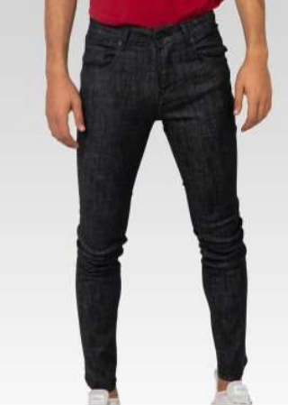
4251349484525 | 189632RAVENRINSEBLK | RINSE | BLK | MEN | V221029 | JEANS | ALEX | 98%COT 2%EL | 31/30 | 103
4251349484532 | 189632RAVENRINSEBLK | RINSE | BLK | MEN | V221029 | JEANS | ALEX | 98%COT 2%EL | 32/30 | 76
4251349484549 | 189632RAVENRINSEBLK | RINSE | BLK | MEN | V221029 | JEANS | ALEX | 98%COT 2%EL | 33/30 | 139
4251349484556 | 189632RAVENRINSEBLK | RINSE | BLK | MEN | V221029 | JEANS | ALEX | 98%COT 2%EL | 34/30 | 74
4251349484563 | 189632RAVENRINSEBLK | RINSE | BLK | MEN | V221029 | JEANS | ALEX | 98%COT 2%EL | 36/30 | 53
4251349484570 | 189632RAVENRINSEBLK | RINSE | BLK | MEN | V221029 | JEANS | ALEX | 98%COT 2%EL | 38/30 | 50
4251349484587 | 189632RAVENRINSEBLK | RINSE | BLK | MEN | V221029 | JEANS | ALEX | 98%COT 2%EL | 40/30 | 51
4251349484594 | 189632RAVENRINSEBLK | RINSE | BLK | MEN | V221029 | JEANS | ALEX | 98%COT 2%EL | 30/32 | 31
4251349484600 | 189632RAVENRINSEBLK | RINSE | BLK | MEN | V221029 | JEANS | ALEX | 98%COT 2%EL | 31/32 | 122
4251349484617 | 189632RAVENRINSEBLK | RINSE | BLK | MEN | V221029 | JEANS | ALEX | 98%COT 2%EL | 32/32 | 124
4251349484624 | 189632RAVENRINSEBLK | RINSE | BLK | MEN | V221029 | JEANS | ALEX | 98%COT 2%EL | 33/32 | 110
4251349484631 | 189632RAVENRINSEBLK | RINSE | BLK | MEN | V221029 | JEANS | ALEX | 98%COT 2%EL | 34/32 | 77
4251349484648 | 189632RAVENRINSEBLK | RINSE | BLK | MEN | V221029 | JEANS | ALEX | 98%COT 2%EL | 36/32 | 50
4251349484655 | 189632RAVENRINSEBLK | RINSE | BLK | MEN | V221029 | JEANS | ALEX | 98%COT 2%EL | 38/32 | 55
4251349484662 | 189632RAVENRINSEBLK | RINSE | BLK | MEN | V221029 | JEANS | ALEX | 98%COT 2%EL | 40/32 | 50
4251349484679 | 189632RAVENRINSEBLK | RINSE | BLK | MEN | V221029 | JEANS | ALEX | 98%COT 2%EL | 32/34 | 43
4251349484686 | 189632RAVENRINSEBLK | RINSE | BLK | MEN | V221029 | JEANS | ALEX | 98%COT 2%EL | 33/34 | 74
4251349484693 | 189632RAVENRINSEBLK | RINSE | BLK | MEN | V221029 | JEANS | ALEX | 98%COT 2%EL | 34/34 | 45
4251349484709 | 189632RAVENRINSEBLK | RINSE | BLK | MEN | V221029 | JEANS | ALEX | 98%COT 2%EL | 36/34 | 44
4251349489048 | 18CD570TJ01BLK | TJ01 | BLK | MEN | V221040 | JEANS | ALEX | 75%COT 24%POLYESTER 1%ELASTAN | 30/30 | 15 | 726
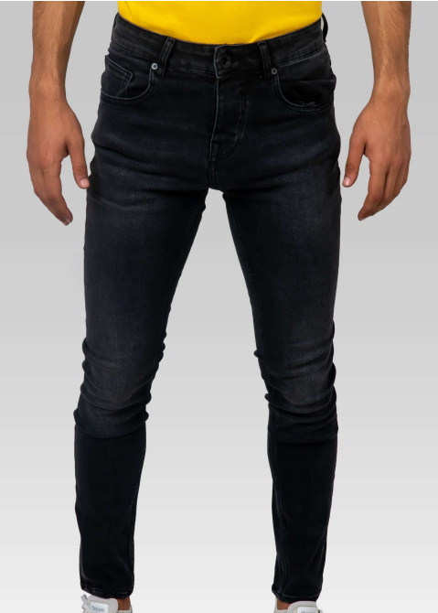
4251349489055 | 18CD570TJ01BLK | TJ01 | BLK | MEN | V221040 | JEANS | ALEX | 75%COT 24%POLYESTER 1%ELASTAN | 31/30 | 55
4251349489062 | 18CD570TJ01BLK | TJ01 | BLK | MEN | V221040 | JEANS | ALEX | 75%COT 24%POLYESTER 1%ELASTAN | 32/30 | 87
4251349489069 | 18CD570TJ01BLK | TJ01 | BLK | MEN | V221040 | JEANS | ALEX | 75%COT 24%POLYESTER 1%ELASTAN | 33/30 | 58
4251349489076 | 18CD570TJ01BLK | TJ01 | BLK | MEN | V221040 | JEANS | ALEX | 75%COT 24%POLYESTER 1%ELASTAN | 34/30 | 56
4251349489083 | 18CD570TJ01BLK | TJ01 | BLK | MEN | V221040 | JEANS | ALEX | 75%COT 24%POLYESTER 1%ELASTAN | 36/30 | 0
4251349489090 | 18CD570TJ01BLK | TJ01 | BLK | MEN | V221040 | JEANS | ALEX | 75%COT 24%POLYESTER 1%ELASTAN | 38/30 | 32
4251349489097 | 18CD570TJ01BLK | TJ01 | BLK | MEN | V221040 | JEANS | ALEX | 75%COT 24%POLYESTER 1%ELASTAN | 40/30 | 27
4251349489104 | 18CD570TJ01BLK | TJ01 | BLK | MEN | V221040 | JEANS | ALEX | 75%COT 24%POLYESTER 1%ELASTAN | 30/32 | 18
4251349489111 | 18CD570TJ01BLK | TJ01 | BLK | MEN | V221040 | JEANS | ALEX | 75%COT 24%POLYESTER 1%ELASTAN | 31/32 | 87
4251349489118 | 18CD570TJ01BLK | TJ01 | BLK | MEN | V221040 | JEANS | ALEX | 75%COT 24%POLYESTER 1%ELASTAN | 32/32 | 26
4251349489125 | 18CD570TJ01BLK | TJ01 | BLK | MEN | V221040 | JEANS | ALEX | 75%COT 24%POLYESTER 1%ELASTAN | 33/32 | 60
4251349489132 | 18CD570TJ01BLK | TJ01 | BLK | MEN | V221040 | JEANS | ALEX | 75%COT 24%POLYESTER 1%ELASTAN | 34/32 | 58
4251349489139 | 18CD570TJ01BLK | TJ01 | BLK | MEN | V221040 | JEANS | ALEX | 75%COT 24%POLYESTER 1%ELASTAN | 36/32 | 33
4251349489146 | 18CD570TJ01BLK | TJ01 | BLK | MEN | V221040 | JEANS | ALEX | 75%COT 24%POLYESTER 1%ELASTAN | 38/32 | 35
4251349489153 | 18CD570TJ01BLK | TJ01 | BLK | MEN | V221040 | JEANS | ALEX | 75%COT 24%POLYESTER 1%ELASTAN | 40/32 | 35
4251349489160 | 18CD570TJ01BLK | TJ01 | BLK | MEN | V221040 | JEANS | ALEX | 75%COT 24%POLYESTER 1%ELASTAN | 32/34 | 15
4251349489167 | 18CD570TJ01BLK | TJ01 | BLK | MEN | V221040 | JEANS | ALEX | 75%COT 24%POLYESTER 1%ELASTAN | 33/34 | 7
4251349489174 | 18CD570TJ01BLK | TJ01 | BLK | MEN | V221040 | JEANS | ALEX | 75%COT 24%POLYESTER 1%ELASTAN | 34/34 | 7
4251349489181 | 18CD570TJ01BLK | TJ01 | BLK | MEN | V221040 | JEANS | ALEX | 75%COT 24%POLYESTER 1%ELASTAN | 36/34 | 15
4251349488908 | 18DEVO BLK BLK | RINSE | BLK | MEN | V221039 | JEANS | ALEX | 90%COT 8%POLYESTER2%ELAST | 30/30 | 65 | 1,456
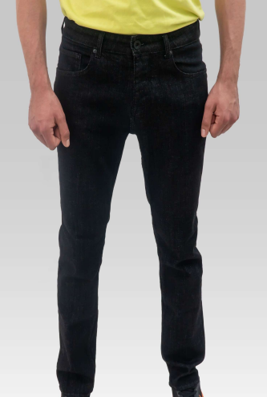
4251349488915 | 18DEVO BLK BLK | RINSE | BLK | MEN | V221039 | JEANS | ALEX | 90%COT 8%POLYESTER2%ELAST | 31/30 | 90
4251349488922 | 18DEVO BLK BLK | RINSE | BLK | MEN | V221039 | JEANS | ALEX | 90%COT 8%POLYESTER2%ELAST | 32/30 | 96
4251349488929 | 18DEVO BLK BLK | RINSE | BLK | MEN | V221039 | JEANS | ALEX | 90%COT 8%POLYESTER2%ELAST | 33/30 | 101
4251349488936 | 18DEVO BLK BLK | RINSE | BLK | MEN | V221039 | JEANS | ALEX | 90%COT 8%POLYESTER2%ELAST | 34/30 | 101
4251349488943 | 18DEVO BLK BLK | RINSE | BLK | MEN | V221039 | JEANS | ALEX | 90%COT 8%POLYESTER2%ELAST | 36/30 | 65
4251349488950 | 18DEVO BLK BLK | RINSE | BLK | MEN | V221039 | JEANS | ALEX | 90%COT 8%POLYESTER2%ELAST | 38/30 | 62
4251349488957 | 18DEVO BLK BLK | RINSE | BLK | MEN | V221039 | JEANS | ALEX | 90%COT 8%POLYESTER2%ELAST | 40/30 | 59
4251349488964 | 18DEVO BLK BLK | RINSE | BLK | MEN | V221039 | JEANS | ALEX | 90%COT 8%POLYESTER2%ELAST | 30/32 | 68
4251349488971 | 18DEVO BLK BLK | RINSE | BLK | MEN | V221039 | JEANS | ALEX | 90%COT 8%POLYESTER2%ELAST | 31/32 | 113
4251349488978 | 18DEVO BLK BLK | RINSE | BLK | MEN | V221039 | JEANS | ALEX | 90%COT 8%POLYESTER2%ELAST | 32/32 | 128
4251349488985 | 18DEVO BLK BLK | RINSE | BLK | MEN | V221039 | JEANS | ALEX | 90%COT 8%POLYESTER2%ELAST | 33/32 | 101
4251349488992 | 18DEVO BLK BLK | RINSE | BLK | MEN | V221039 | JEANS | ALEX | 90%COT 8%POLYESTER2%ELAST | 34/32 | 106
4251349488999 | 18DEVO BLK BLK | RINSE | BLK | MEN | V221039 | JEANS | ALEX | 90%COT 8%POLYESTER2%ELAST | 36/32 | 66
4251349489006 | 18DEVO BLK BLK | RINSE | BLK | MEN | V221039 | JEANS | ALEX | 90%COT 8%POLYESTER2%ELAST | 38/32 | 62
4251349489013 | 18DEVO BLK BLK | RINSE | BLK | MEN | V221039 | JEANS | ALEX | 90%COT 8%POLYESTER2%ELAST | 40/32 | 70
4251349489020 | 18DEVO BLK BLK | RINSE | BLK | MEN | V221039 | JEANS | ALEX | 90%COT 8%POLYESTER2%ELAST | 32/34 | 27
4251349489027 | 18DEVO BLK BLK | RINSE | BLK | MEN | V221039 | JEANS | ALEX | 90%COT 8%POLYESTER2%ELAST | 33/34 | 27
4251349489034 | 18DEVO BLK BLK | RINSE | BLK | MEN | V221039 | JEANS | ALEX | 90%COT 8%POLYESTER2%ELAST | 34/34 | 23
4251349489041 | 18DEVO BLK BLK | RINSE | BLK | MEN | V221039 | JEANS | ALEX | 90%COT 8%POLYESTER2%ELAST | 36/34 | 26
4251349489188 | 18ID5175MASONBLK | MASON | BLK | MEN | V221041 | JEANS | ALEX | 77%COT 21%POLYESTER 2%ELAST | 30/30 | 77 | 1,904
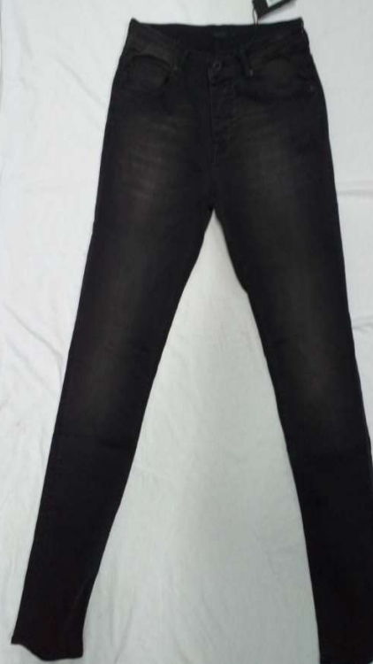
4251349489195 | 18ID5175MASONBLK | MASON | BLK | MEN | V221041 | JEANS | ALEX | 77%COT 21%POLYESTER 2%ELAST | 31/30 | 167
4251349489202 | 18ID5175MASONBLK | MASON | BLK | MEN | V221041 | JEANS | ALEX | 77%COT 21%POLYESTER 2%ELAST | 32/30 | 140
4251349489209 | 18ID5175MASONBLK | MASON | BLK | MEN | V221041 | JEANS | ALEX | 77%COT 21%POLYESTER 2%ELAST | 33/30 | 133
4251349489216 | 18ID5175MASONBLK | MASON | BLK | MEN | V221041 | JEANS | ALEX | 77%COT 21%POLYESTER 2%ELAST | 34/30 | 130
4251349489223 | 18ID5175MASONBLK | MASON | BLK | MEN | V221041 | JEANS | ALEX | 77%COT 21%POLYESTER 2%ELAST | 36/30 | 96
4251349489230 | 18ID5175MASONBLK | MASON | BLK | MEN | V221041 | JEANS | ALEX | 77%COT 21%POLYESTER 2%ELAST | 38/30 | 72
4251349489237 | 18ID5175MASONBLK | MASON | BLK | MEN | V221041 | JEANS | ALEX | 77%COT 21%POLYESTER 2%ELAST | 40/30 | 75
4251349489244 | 18ID5175MASONBLK | MASON | BLK | MEN | V221041 | JEANS | ALEX | 77%COT 21%POLYESTER 2%ELAST | 30/32 | 81
4251349489251 | 18ID5175MASONBLK | MASON | BLK | MEN | V221041 | JEANS | ALEX | 77%COT 21%POLYESTER 2%ELAST | 31/32 | 144
4251349489258 | 18ID5175MASONBLK | MASON | BLK | MEN | V221041 | JEANS | ALEX | 77%COT 21%POLYESTER 2%ELAST | 32/32 | 146
4251349489265 | 18ID5175MASONBLK | MASON | BLK | MEN | V221041 | JEANS | ALEX | 77%COT 21%POLYESTER 2%ELAST | 33/32 | 147
4251349489272 | 18ID5175MASONBLK | MASON | BLK | MEN | V221041 | JEANS | ALEX | 77%COT 21%POLYESTER 2%ELAST | 34/32 | 150
4251349489279 | 18ID5175MASONBLK | MASON | BLK | MEN | V221041 | JEANS | ALEX | 77%COT 21%POLYESTER 2%ELAST | 36/32 | 85
4251349489286 | 18ID5175MASONBLK | MASON | BLK | MEN | V221041 | JEANS | ALEX | 77%COT 21%POLYESTER 2%ELAST | 38/32 | 83
4251349489293 | 18ID5175MASONBLK | MASON | BLK | MEN | V221041 | JEANS | ALEX | 77%COT 21%POLYESTER 2%ELAST | 40/32 | 87
4251349489300 | 18ID5175MASONBLK | MASON | BLK | MEN | V221041 | JEANS | ALEX | 77%COT 21%POLYESTER 2%ELAST | 32/34 | 23
4251349489307 | 18ID5175MASONBLK | MASON | BLK | MEN | V221041 | JEANS | ALEX | 77%COT 21%POLYESTER 2%ELAST | 33/34 | 23
4251349489314 | 18ID5175MASONBLK | MASON | BLK | MEN | V221041 | JEANS | ALEX | 77%COT 21%POLYESTER 2%ELAST | 34/34 | 23
4251349489321 | 18ID5175MASONBLK | MASON | BLK | MEN | V221041 | JEANS | ALEX | 77%COT 21%POLYESTER 2%ELAST | 36/34 | 22
4251349489328 | 18RR8865KNCOTONPURERELAST VERDETB | VERDE | TB | MEN | V221042 | JEANS | ALEX | 98%COTORGANIC 2%ELASTAN | 30/30 | 64 | 1,715
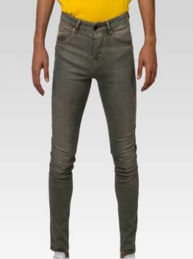
4251349489335 | 18RR8865KNCOTONPURERELAST VERDETB | VERDE | TB | MEN | V221042 | JEANS | ALEX | 98%COTORGANIC 2%ELASTAN | 31/30 | 159
4251349489342 | 18RR8865KNCOTONPURERELAST VERDETB | VERDE | TB | MEN | V221042 | JEANS | ALEX | 98%COTORGANIC 2%ELASTAN | 32/30 | 127
4251349489349 | 18RR8865KNCOTONPURERELAST VERDETB | VERDE | TB | MEN | V221042 | JEANS | ALEX | 98%COTORGANIC 2%ELASTAN | 33/30 | 125
4251349489356 | 18RR8865KNCOTONPURERELAST VERDETB | VERDE | TB | MEN | V221042 | JEANS | ALEX | 98%COTORGANIC 2%ELASTAN | 34/30 | 130
4251349489363 | 18RR8865KNCOTONPURERELAST VERDETB | VERDE | TB | MEN | V221042 | JEANS | ALEX | 98%COTORGANIC 2%ELASTAN | 36/30 | 67
4251349489370 | 18RR8865KNCOTONPURERELAST VERDETB | VERDE | TB | MEN | V221042 | JEANS | ALEX | 98%COTORGANIC 2%ELASTAN | 38/30 | 67
4251349489377 | 18RR8865KNCOTONPURERELAST VERDETB | VERDE | TB | MEN | V221042 | JEANS | ALEX | 98%COTORGANIC 2%ELASTAN | 40/30 | 67
4251349489384 | 18RR8865KNCOTONPURERELAST VERDETB | VERDE | TB | MEN | V221042 | JEANS | ALEX | 98%COTORGANIC 2%ELASTAN | 30/32 | 67
4251349489391 | 18RR8865KNCOTONPURERELAST VERDETB | VERDE | TB | MEN | V221042 | JEANS | ALEX | 98%COTORGANIC 2%ELASTAN | 31/32 | 99
4251349489398 | 18RR8865KNCOTONPURERELAST VERDETB | VERDE | TB | MEN | V221042 | JEANS | ALEX | 98%COTORGANIC 2%ELASTAN | 32/32 | 158
4251349489405 | 18RR8865KNCOTONPURERELAST VERDETB | VERDE | TB | MEN | V221042 | JEANS | ALEX | 98%COTORGANIC 2%ELASTAN | 33/32 | 99
4251349489412 | 18RR8865KNCOTONPURERELAST VERDETB | VERDE | TB | MEN | V221042 | JEANS | ALEX | 98%COTORGANIC 2%ELASTAN | 34/32 | 131
4251349489419 | 18RR8865KNCOTONPURERELAST VERDETB | VERDE | TB | MEN | V221042 | JEANS | ALEX | 98%COTORGANIC 2%ELASTAN | 36/32 | 66
4251349489426 | 18RR8865KNCOTONPURERELAST VERDETB | VERDE | TB | MEN | V221042 | JEANS | ALEX | 98%COTORGANIC 2%ELASTAN | 38/32 | 68
4251349489433 | 18RR8865KNCOTONPURERELAST VERDETB | VERDE | TB | MEN | V221042 | JEANS | ALEX | 98%COTORGANIC 2%ELASTAN | 40/32 | 66
4251349489440 | 18RR8865KNCOTONPURERELAST VERDETB | VERDE | TB | MEN | V221042 | JEANS | ALEX | 98%COTORGANIC 2%ELASTAN | 32/34 | 40
4251349489447 | 18RR8865KNCOTONPURERELAST VERDETB | VERDE | TB | MEN | V221042 | JEANS | ALEX | 98%COTORGANIC 2%ELASTAN | 33/34 | 39
4251349489454 | 18RR8865KNCOTONPURERELAST VERDETB | VERDE | TB | MEN | V221042 | JEANS | ALEX | 98%COTORGANIC 2%ELASTAN | 34/34 | 41
4251349489461 | 18RR8865KNCOTONPURERELAST VERDETB | VERDE | TB | MEN | V221042 | JEANS | ALEX | 98%COTORGANIC 2%ELASTAN | 36/34 | 35
 |  |  |  |  |  |  |  |  |  | 45,439

MIRA
JEANS MIRA FEMME
25 réf-col

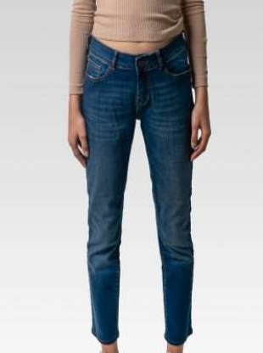
Code EAN | Référence | Délavage | Fils | Secteur | Référence Fournisseur | Type | Modèle | Composition | Taille | Quantité
4251349489034 | 1240045WR46BLOCHCOTEDTB | CHESTER | NV | WOMEN | V22071 | JEANS | MIRA | 98%COT 2%LYC | 26/30 | 228 | 2,784
4251349489041 | 1240045WR46BLOCHCOTEDTB | CHESTER | NV | WOMEN | V22071 | JEANS | MIRA | 98%COT 2%LYC | 27/30 | 267
4251349489048 | 1240045WR46BLOCHCOTEDTB | CHESTER | NV | WOMEN | V22071 | JEANS | MIRA | 98%COT 2%LYC | 28/30 | 225
4251349489055 | 1240045WR46BLOCHCOTEDTB | CHESTER | NV | WOMEN | V22071 | JEANS | MIRA | 98%COT 2%LYC | 29/30 | 229
4251349489062 | 1240045WR46BLOCHCOTEDTB | CHESTER | NV | WOMEN | V22071 | JEANS | MIRA | 98%COT 2%LYC | 30/30 | 117
4251349489069 | 1240045WR46BLOCHCOTEDTB | CHESTER | NV | WOMEN | V22071 | JEANS | MIRA | 98%COT 2%LYC | 31/30 | 116
4251349489076 | 1240045WR46BLOCHCOTEDTB | CHESTER | NV | WOMEN | V22071 | JEANS | MIRA | 98%COT 2%LYC | 32/30 | 119
4251349489083 | 1240045WR46BLOCHCOTEDTB | CHESTER | NV | WOMEN | V22071 | JEANS | MIRA | 98%COT 2%LYC | 26/32 | 230
4251349489090 | 1240045WR46BLOCHCOTEDTB | CHESTER | NV | WOMEN | V22071 | JEANS | MIRA | 98%COT 2%LYC | 27/32 | 185
4251349489097 | 1240045WR46BLOCHCOTEDTB | CHESTER | NV | WOMEN | V22071 | JEANS | MIRA | 98%COT 2%LYC | 28/32 | 229
4251349489104 | 1240045WR46BLOCHCOTEDTB | CHESTER | NV | WOMEN | V22071 | JEANS | MIRA | 98%COT 2%LYC | 29/32 | 217
4251349489111 | 1240045WR46BLOCHCOTEDTB | CHESTER | NV | WOMEN | V22071 | JEANS | MIRA | 98%COT 2%LYC | 30/32 | 120
4251349489118 | 1240045WR46BLOCHCOTEDTB | CHESTER | NV | WOMEN | V22071 | JEANS | MIRA | 98%COT 2%LYC | 31/32 | 96
4251349489125 | 1240045WR46BLOCHCOTEDTB | CHESTER | NV | WOMEN | V22071 | JEANS | MIRA | 98%COT 2%LYC | 32/32 | 88
4251349489132 | 1240045WR46BLOCHCOTEDTB | CHESTER | NV | WOMEN | V22071 | JEANS | MIRA | 98%COT 2%LYC | 26/34 | 78
4251349489139 | 1240045WR46BLOCHCOTEDTB | CHESTER | NV | WOMEN | V22071 | JEANS | MIRA | 98%COT 2%LYC | 27/34 | 81
4251349489146 | 1240045WR46BLOCHCOTEDTB | CHESTER | NV | WOMEN | V22071 | JEANS | MIRA | 98%COT 2%LYC | 28/34 | 79
4251349489153 | 1240045WR46BLOCHCOTEDTB | CHESTER | NV | WOMEN | V22071 | JEANS | MIRA | 98%COT 2%LYC | 29/34 | 80
4251349489160 | 1240311WRSILVAEDRONNV | TJ01 | NV | WOMEN | V22072 | JEANS | MIRA | 98%COT 2%LYC | 26/30 | 114 | 1,347
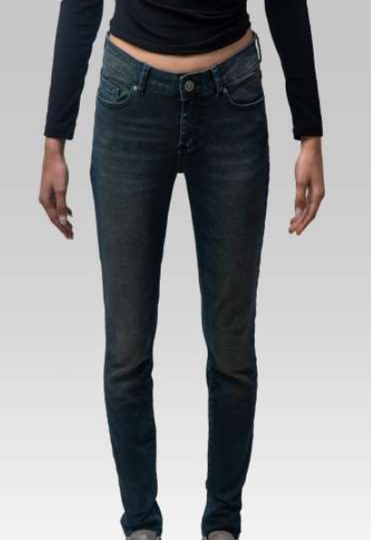
4251349489167 | 1240311WRSILVAEDRONNV | TJ01 | NV | WOMEN | V22072 | JEANS | MIRA | 98%COT 2%LYC | 27/30 | 113
4251349489174 | 1240311WRSILVAEDRONNV | TJ01 | NV | WOMEN | V22072 | JEANS | MIRA | 98%COT 2%LYC | 28/30 | 121
4251349489181 | 1240311WRSILVAEDRONNV | TJ01 | NV | WOMEN | V22072 | JEANS | MIRA | 98%COT 2%LYC | 29/30 | 107
4251349489188 | 1240311WRSILVAEDRONNV | TJ01 | NV | WOMEN | V22072 | JEANS | MIRA | 98%COT 2%LYC | 30/30 | 55
4251349489195 | 1240311WRSILVAEDRONNV | TJ01 | NV | WOMEN | V22072 | JEANS | MIRA | 98%COT 2%LYC | 31/30 | 57
4251349489202 | 1240311WRSILVAEDRONNV | TJ01 | NV | WOMEN | V22072 | JEANS | MIRA | 98%COT 2%LYC | 32/30 | 24
4251349489209 | 1240311WRSILVAEDRONNV | TJ01 | NV | WOMEN | V22072 | JEANS | MIRA | 98%COT 2%LYC | 26/32 | 113
4251349489216 | 1240311WRSILVAEDRONNV | TJ01 | NV | WOMEN | V22072 | JEANS | MIRA | 98%COT 2%LYC | 27/32 | 110
4251349489223 | 1240311WRSILVAEDRONNV | TJ01 | NV | WOMEN | V22072 | JEANS | MIRA | 98%COT 2%LYC | 28/32 | 110
4251349489230 | 1240311WRSILVAEDRONNV | TJ01 | NV | WOMEN | V22072 | JEANS | MIRA | 98%COT 2%LYC | 29/32 | 116
4251349489237 | 1240311WRSILVAEDRONNV | TJ01 | NV | WOMEN | V22072 | JEANS | MIRA | 98%COT 2%LYC | 30/32 | 61
4251349489244 | 1240311WRSILVAEDRONNV | TJ01 | NV | WOMEN | V22072 | JEANS | MIRA | 98%COT 2%LYC | 31/32 | 59
4251349489251 | 1240311WRSILVAEDRONNV | TJ01 | NV | WOMEN | V22072 | JEANS | MIRA | 98%COT 2%LYC | 32/32 | 57
4251349489258 | 1240311WRSILVAEDRONNV | TJ01 | NV | WOMEN | V22072 | JEANS | MIRA | 98%COT 2%LYC | 26/34 | 32
4251349489265 | 1240311WRSILVAEDRONNV | TJ01 | NV | WOMEN | V22072 | JEANS | MIRA | 98%COT 2%LYC | 27/34 | 31
4251349489272 | 1240311WRSILVAEDRONNV | TJ01 | NV | WOMEN | V22072 | JEANS | MIRA | 98%COT 2%LYC | 28/34 | 33
4251349489279 | 1240311WRSILVAEDRONNV | TJ01 | NV | WOMEN | V22072 | JEANS | MIRA | 98%COT 2%LYC | 29/34 | 34
4251349489286 | 1240311WRSILVAEDRONNva | RINSE | NV | WOMEN | V22073 | JEANS | MIRA | 98%COT 2%LYC | 26/30 | 99 | 1,307
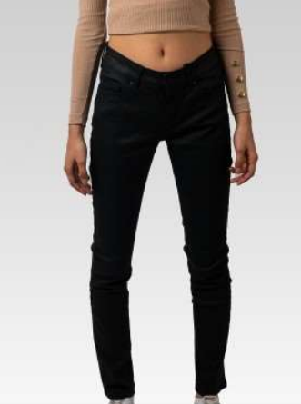
4251349489293 | 1240311WRSILVAEDRONNva | RINSE | NV | WOMEN | V22073 | JEANS | MIRA | 98%COT 2%LYC | 27/30 | 104
4251349489300 | 1240311WRSILVAEDRONNva | RINSE | NV | WOMEN | V22073 | JEANS | MIRA | 98%COT 2%LYC | 28/30 | 101
4251349489307 | 1240311WRSILVAEDRONNva | RINSE | NV | WOMEN | V22073 | JEANS | MIRA | 98%COT 2%LYC | 29/30 | 64
4251349489314 | 1240311WRSILVAEDRONNva | RINSE | NV | WOMEN | V22073 | JEANS | MIRA | 98%COT 2%LYC | 30/30 | 60
4251349489321 | 1240311WRSILVAEDRONNva | RINSE | NV | WOMEN | V22073 | JEANS | MIRA | 98%COT 2%LYC | 31/30 | 60
4251349489328 | 1240311WRSILVAEDRONNva | RINSE | NV | WOMEN | V22073 | JEANS | MIRA | 98%COT 2%LYC | 32/30 | 60
4251349489335 | 1240311WRSILVAEDRONNva | RINSE | NV | WOMEN | V22073 | JEANS | MIRA | 98%COT 2%LYC | 26/32 | 117
4251349489342 | 1240311WRSILVAEDRONNva | RINSE | NV | WOMEN | V22073 | JEANS | MIRA | 98%COT 2%LYC | 27/32 | 114
4251349489349 | 1240311WRSILVAEDRONNva | RINSE | NV | WOMEN | V22073 | JEANS | MIRA | 98%COT 2%LYC | 28/32 | 113
4251349489356 | 1240311WRSILVAEDRONNva | RINSE | NV | WOMEN | V22073 | JEANS | MIRA | 98%COT 2%LYC | 29/32 | 115
4251349489363 | 1240311WRSILVAEDRONNva | RINSE | NV | WOMEN | V22073 | JEANS | MIRA | 98%COT 2%LYC | 30/32 | 59
4251349489370 | 1240311WRSILVAEDRONNva | RINSE | NV | WOMEN | V22073 | JEANS | MIRA | 98%COT 2%LYC | 31/32 | 60
4251349489377 | 1240311WRSILVAEDRONNva | RINSE | NV | WOMEN | V22073 | JEANS | MIRA | 98%COT 2%LYC | 32/32 | 56
4251349489384 | 1240311WRSILVAEDRONNva | RINSE | NV | WOMEN | V22073 | JEANS | MIRA | 98%COT 2%LYC | 26/34 | 23
4251349489391 | 1240311WRSILVAEDRONNva | RINSE | NV | WOMEN | V22073 | JEANS | MIRA | 98%COT 2%LYC | 27/34 | 24
4251349489398 | 1240311WRSILVAEDRONNva | RINSE | NV | WOMEN | V22073 | JEANS | MIRA | 98%COT 2%LYC | 28/34 | 21
4251349489405 | 1240311WRSILVAEDRONNva | RINSE | NV | WOMEN | V22073 | JEANS | MIRA | 98%COT 2%LYC | 29/34 | 57
4251349488394 | 12208508MASONNV | MASON | NV | WOMEN | V22054 | JEANS | MIRA | 90%COT/8%PL/2%EL | 26/30 | 88 | 657
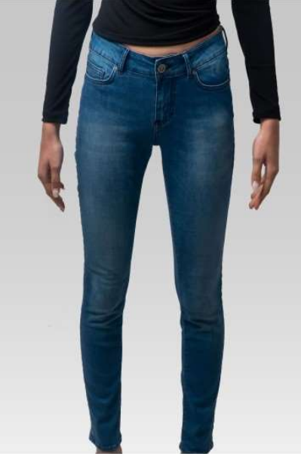
4251349488400 | 12208508MASONNV | MASON | NV | WOMEN | V22054 | JEANS | MIRA | 90%COT/8%PL/2%EL | 27/30 | 15
4251349488417 | 12208508MASONNV | MASON | NV | WOMEN | V22054 | JEANS | MIRA | 90%COT/8%PL/2%EL | 28/30 | 25
4251349488424 | 12208508MASONNV | MASON | NV | WOMEN | V22054 | JEANS | MIRA | 90%COT/8%PL/2%EL | 29/30 | 84
4251349488431 | 12208508MASONNV | MASON | NV | WOMEN | V22054 | JEANS | MIRA | 90%COT/8%PL/2%EL | 30/30 | 36
4251349488448 | 12208508MASONNV | MASON | NV | WOMEN | V22054 | JEANS | MIRA | 90%COT/8%PL/2%EL | 31/30 | 55
4251349488455 | 12208508MASONNV | MASON | NV | WOMEN | V22054 | JEANS | MIRA | 90%COT/8%PL/2%EL | 32/30 | 56
4251349488462 | 12208508MASONNV | MASON | NV | WOMEN | V22054 | JEANS | MIRA | 90%COT/8%PL/2%EL | 26/32 | 56
4251349488479 | 12208508MASONNV | MASON | NV | WOMEN | V22054 | JEANS | MIRA | 90%COT/8%PL/2%EL | 27/32 | 29
4251349488486 | 12208508MASONNV | MASON | NV | WOMEN | V22054 | JEANS | MIRA | 90%COT/8%PL/2%EL | 28/32 | 24
4251349488493 | 12208508MASONNV | MASON | NV | WOMEN | V22054 | JEANS | MIRA | 90%COT/8%PL/2%EL | 29/32 | 59
4251349488509 | 12208508MASONNV | MASON | NV | WOMEN | V22054 | JEANS | MIRA | 90%COT/8%PL/2%EL | 30/32 | 34
4251349488516 | 12208508MASONNV | MASON | NV | WOMEN | V22054 | JEANS | MIRA | 90%COT/8%PL/2%EL | 31/32 | 53
4251349488523 | 12208508MASONNV | MASON | NV | WOMEN | V22054 | JEANS | MIRA | 90%COT/8%PL/2%EL | 32/32 | 16
4251349488530 | 12208508MASONNV | MASON | NV | WOMEN | V22054 | JEANS | MIRA | 90%COT/8%PL/2%EL | 26/34 | 13
4251349488547 | 12208508MASONNV | MASON | NV | WOMEN | V22054 | JEANS | MIRA | 90%COT/8%PL/2%EL | 27/34 | 0
4251349488554 | 12208508MASONNV | MASON | NV | WOMEN | V22054 | JEANS | MIRA | 90%COT/8%PL/2%EL | 28/34 | 0
4251349488561 | 12208508MASONNV | MASON | NV | WOMEN | V22054 | JEANS | MIRA | 90%COT/8%PL/2%EL | 29/34 | 14
4251349488936 | 12208508MIDINV | MIDI | NV | WOMEN | V22057 | JEANS | MIRA | 90%COT/8%PL/2%EL | 26/30 | 200 | 2,366
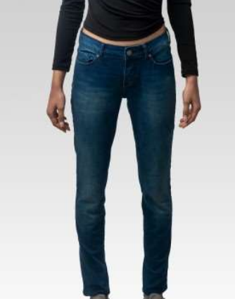
4251349488943 | 12208508MIDINV | MIDI | NV | WOMEN | V22057 | JEANS | MIRA | 90%COT/8%PL/2%EL | 27/30 | 200
4251349488950 | 12208508MIDINV | MIDI | NV | WOMEN | V22057 | JEANS | MIRA | 90%COT/8%PL/2%EL | 28/30 | 197
4251349488967 | 12208508MIDINV | MIDI | NV | WOMEN | V22057 | JEANS | MIRA | 90%COT/8%PL/2%EL | 29/30 | 200
4251349488974 | 12208508MIDINV | MIDI | NV | WOMEN | V22057 | JEANS | MIRA | 90%COT/8%PL/2%EL | 30/30 | 78
4251349488981 | 12208508MIDINV | MIDI | NV | WOMEN | V22057 | JEANS | MIRA | 90%COT/8%PL/2%EL | 31/30 | 78
4251349488998 | 12208508MIDINV | MIDI | NV | WOMEN | V22057 | JEANS | MIRA | 90%COT/8%PL/2%EL | 32/30 | 79
4251349489001 | 12208508MIDINV | MIDI | NV | WOMEN | V22057 | JEANS | MIRA | 90%COT/8%PL/2%EL | 26/32 | 205
4251349489018 | 12208508MIDINV | MIDI | NV | WOMEN | V22057 | JEANS | MIRA | 90%COT/8%PL/2%EL | 27/32 | 200
4251349489025 | 12208508MIDINV | MIDI | NV | WOMEN | V22057 | JEANS | MIRA | 90%COT/8%PL/2%EL | 28/32 | 200
4251349489032 | 12208508MIDINV | MIDI | NV | WOMEN | V22057 | JEANS | MIRA | 90%COT/8%PL/2%EL | 29/32 | 238
4251349489049 | 12208508MIDINV | MIDI | NV | WOMEN | V22057 | JEANS | MIRA | 90%COT/8%PL/2%EL | 30/32 | 80
4251349489056 | 12208508MIDINV | MIDI | NV | WOMEN | V22057 | JEANS | MIRA | 90%COT/8%PL/2%EL | 31/32 | 82
4251349489063 | 12208508MIDINV | MIDI | NV | WOMEN | V22057 | JEANS | MIRA | 90%COT/8%PL/2%EL | 32/32 | 120
4251349489070 | 12208508MIDINV | MIDI | NV | WOMEN | V22057 | JEANS | MIRA | 90%COT/8%PL/2%EL | 26/34 | 53
4251349489087 | 12208508MIDINV | MIDI | NV | WOMEN | V22057 | JEANS | MIRA | 90%COT/8%PL/2%EL | 27/34 | 51
4251349489094 | 12208508MIDINV | MIDI | NV | WOMEN | V22057 | JEANS | MIRA | 90%COT/8%PL/2%EL | 28/34 | 49
4251349489100 | 12208508MIDINV | MIDI | NV | WOMEN | V22057 | JEANS | MIRA | 90%COT/8%PL/2%EL | 29/34 | 56
4251349488219 | 12208508RIKSTB | RIKS | TB | WOMEN | V22053 | JEANS | MIRA | 90%COT/8%PL/2%EL | 26/30 | 107 | 1,241
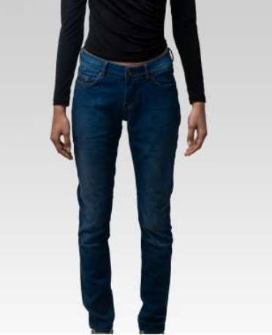
4251349488226 | 12208508RIKSTB | RIKS | TB | WOMEN | V22053 | JEANS | MIRA | 90%COT/8%PL/2%EL | 27/30 | 96
4251349488233 | 12208508RIKSTB | RIKS | TB | WOMEN | V22053 | JEANS | MIRA | 90%COT/8%PL/2%EL | 28/30 | 96
4251349488240 | 12208508RIKSTB | RIKS | TB | WOMEN | V22053 | JEANS | MIRA | 90%COT/8%PL/2%EL | 29/30 | 105
4251349488257 | 12208508RIKSTB | RIKS | TB | WOMEN | V22053 | JEANS | MIRA | 90%COT/8%PL/2%EL | 30/30 | 60
4251349488264 | 12208508RIKSTB | RIKS | TB | WOMEN | V22053 | JEANS | MIRA | 90%COT/8%PL/2%EL | 31/30 | 61
4251349488271 | 12208508RIKSTB | RIKS | TB | WOMEN | V22053 | JEANS | MIRA | 90%COT/8%PL/2%EL | 32/30 | 59
4251349488288 | 12208508RIKSTB | RIKS | TB | WOMEN | V22053 | JEANS | MIRA | 90%COT/8%PL/2%EL | 26/32 | 88
4251349488295 | 12208508RIKSTB | RIKS | TB | WOMEN | V22053 | JEANS | MIRA | 90%COT/8%PL/2%EL | 27/32 | 119
4251349488301 | 12208508RIKSTB | RIKS | TB | WOMEN | V22053 | JEANS | MIRA | 90%COT/8%PL/2%EL | 28/32 | 98
4251349488318 | 12208508RIKSTB | RIKS | TB | WOMEN | V22053 | JEANS | MIRA | 90%COT/8%PL/2%EL | 29/32 | 97
4251349488325 | 12208508RIKSTB | RIKS | TB | WOMEN | V22053 | JEANS | MIRA | 90%COT/8%PL/2%EL | 30/32 | 55
4251349488332 | 12208508RIKSTB | RIKS | TB | WOMEN | V22053 | JEANS | MIRA | 90%COT/8%PL/2%EL | 31/32 | 55
4251349488349 | 12208508RIKSTB | RIKS | TB | WOMEN | V22053 | JEANS | MIRA | 90%COT/8%PL/2%EL | 32/32 | 58
4251349488356 | 12208508RIKSTB | RIKS | TB | WOMEN | V22053 | JEANS | MIRA | 90%COT/8%PL/2%EL | 26/34 | 30
4251349488363 | 12208508RIKSTB | RIKS | TB | WOMEN | V22053 | JEANS | MIRA | 90%COT/8%PL/2%EL | 27/34 | 18
4251349488370 | 12208508RIKSTB | RIKS | TB | WOMEN | V22053 | JEANS | MIRA | 90%COT/8%PL/2%EL | 28/34 | 15
4251349488387 | 12208508RIKSTB | RIKS | TB | WOMEN | V22053 | JEANS | MIRA | 90%COT/8%PL/2%EL | 29/34 | 24
4251349488578 | 12208508TJ01NV | TJ01 | NV | WOMEN | V22055 | JEANS | MIRA | 90%COT/8%PL/2%EL | 26/30 | 142 | 1,162
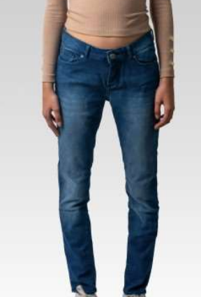
4251349488585 | 12208508TJ01NV | TJ01 | NV | WOMEN | V22055 | JEANS | MIRA | 90%COT/8%PL/2%EL | 27/30 | 85
4251349488592 | 12208508TJ01NV | TJ01 | NV | WOMEN | V22055 | JEANS | MIRA | 90%COT/8%PL/2%EL | 28/30 | 73
4251349488608 | 12208508TJ01NV | TJ01 | NV | WOMEN | V22055 | JEANS | MIRA | 90%COT/8%PL/2%EL | 29/30 | 106
4251349488615 | 12208508TJ01NV | TJ01 | NV | WOMEN | V22055 | JEANS | MIRA | 90%COT/8%PL/2%EL | 30/30 | 15
4251349488622 | 12208508TJ01NV | TJ01 | NV | WOMEN | V22055 | JEANS | MIRA | 90%COT/8%PL/2%EL | 31/30 | 58
4251349488639 | 12208508TJ01NV | TJ01 | NV | WOMEN | V22055 | JEANS | MIRA | 90%COT/8%PL/2%EL | 32/30 | 64
4251349488646 | 12208508TJ01NV | TJ01 | NV | WOMEN | V22055 | JEANS | MIRA | 90%COT/8%PL/2%EL | 26/32 | 101
4251349488653 | 12208508TJ01NV | TJ01 | NV | WOMEN | V22055 | JEANS | MIRA | 90%COT/8%PL/2%EL | 27/32 | 72
4251349488660 | 12208508TJ01NV | TJ01 | NV | WOMEN | V22055 | JEANS | MIRA | 90%COT/8%PL/2%EL | 28/32 | 80
4251349488677 | 12208508TJ01NV | TJ01 | NV | WOMEN | V22055 | JEANS | MIRA | 90%COT/8%PL/2%EL | 29/32 | 115
4251349488684 | 12208508TJ01NV | TJ01 | NV | WOMEN | V22055 | JEANS | MIRA | 90%COT/8%PL/2%EL | 30/32 | 49
4251349488691 | 12208508TJ01NV | TJ01 | NV | WOMEN | V22055 | JEANS | MIRA | 90%COT/8%PL/2%EL | 31/32 | 59
4251349488707 | 12208508TJ01NV | TJ01 | NV | WOMEN | V22055 | JEANS | MIRA | 90%COT/8%PL/2%EL | 32/32 | 55
4251349488714 | 12208508TJ01NV | TJ01 | NV | WOMEN | V22055 | JEANS | MIRA | 90%COT/8%PL/2%EL | 26/34 | 27
4251349488721 | 12208508TJ01NV | TJ01 | NV | WOMEN | V22055 | JEANS | MIRA | 90%COT/8%PL/2%EL | 27/34 | 17
4251349488738 | 12208508TJ01NV | TJ01 | NV | WOMEN | V22055 | JEANS | MIRA | 90%COT/8%PL/2%EL | 28/34 | 17
4251349488745 | 12208508TJ01NV | TJ01 | NV | WOMEN | V22055 | JEANS | MIRA | 90%COT/8%PL/2%EL | 29/34 | 27
4251349488752 | 12208508VERDETB | VERDE | TB | WOMEN | V22056 | JEANS | MIRA | 90%COT/8%PL/2%EL | 26/30 | 240 | 2,982
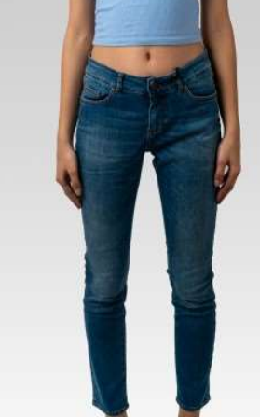
4251349488769 | 12208508VERDETB | VERDE | TB | WOMEN | V22056 | JEANS | MIRA | 90%COT/8%PL/2%EL | 27/30 | 237
4251349488776 | 12208508VERDETB | VERDE | TB | WOMEN | V22056 | JEANS | MIRA | 90%COT/8%PL/2%EL | 28/30 | 235
4251349488783 | 12208508VERDETB | VERDE | TB | WOMEN | V22056 | JEANS | MIRA | 90%COT/8%PL/2%EL | 29/30 | 234
4251349488790 | 12208508VERDETB | VERDE | TB | WOMEN | V22056 | JEANS | MIRA | 90%COT/8%PL/2%EL | 30/30 | 124
4251349488806 | 12208508VERDETB | VERDE | TB | WOMEN | V22056 | JEANS | MIRA | 90%COT/8%PL/2%EL | 31/30 | 122
4251349488813 | 12208508VERDETB | VERDE | TB | WOMEN | V22056 | JEANS | MIRA | 90%COT/8%PL/2%EL | 32/30 | 112
4251349488820 | 12208508VERDETB | VERDE | TB | WOMEN | V22056 | JEANS | MIRA | 90%COT/8%PL/2%EL | 26/32 | 210
4251349488837 | 12208508VERDETB | VERDE | TB | WOMEN | V22056 | JEANS | MIRA | 90%COT/8%PL/2%EL | 27/32 | 267
4251349488844 | 12208508VERDETB | VERDE | TB | WOMEN | V22056 | JEANS | MIRA | 90%COT/8%PL/2%EL | 28/32 | 237
4251349488851 | 12208508VERDETB | VERDE | TB | WOMEN | V22056 | JEANS | MIRA | 90%COT/8%PL/2%EL | 29/32 | 241
4251349488868 | 12208508VERDETB | VERDE | TB | WOMEN | V22056 | JEANS | MIRA | 90%COT/8%PL/2%EL | 30/32 | 121
4251349488875 | 12208508VERDETB | VERDE | TB | WOMEN | V22056 | JEANS | MIRA | 90%COT/8%PL/2%EL | 31/32 | 120
4251349488882 | 12208508VERDETB | VERDE | TB | WOMEN | V22056 | JEANS | MIRA | 90%COT/8%PL/2%EL | 32/32 | 121
4251349488899 | 12208508VERDETB | VERDE | TB | WOMEN | V22056 | JEANS | MIRA | 90%COT/8%PL/2%EL | 26/34 | 91
4251349488905 | 12208508VERDETB | VERDE | TB | WOMEN | V22056 | JEANS | MIRA | 90%COT/8%PL/2%EL | 27/34 | 91
4251349488912 | 12208508VERDETB | VERDE | TB | WOMEN | V22056 | JEANS | MIRA | 90%COT/8%PL/2%EL | 28/34 | 88
4251349488929 | 12208508VERDETB | VERDE | TB | WOMEN | V22056 | JEANS | MIRA | 90%COT/8%PL/2%EL | 29/34 | 91
4251349477954 | 127777CRISPYTJ01NV | TJ01 | NV | WOMEN | v22037 | JEANS | MIRA | 92%COT 6%EME 2%LYC | 26/30 | 17 | 124
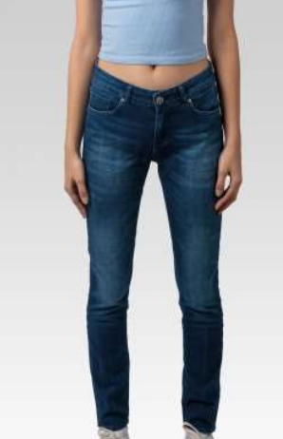
4251349477961 | 127777CRISPYTJ01NV | TJ01 | NV | WOMEN | v22037 | JEANS | MIRA | 92%COT 6%EME 2%LYC | 27/30 | 33
4251349477978 | 127777CRISPYTJ01NV | TJ01 | NV | WOMEN | v22037 | JEANS | MIRA | 92%COT 6%EME 2%LYC | 28/30 | 0
4251349477985 | 127777CRISPYTJ01NV | TJ01 | NV | WOMEN | v22037 | JEANS | MIRA | 92%COT 6%EME 2%LYC | 29/30 | 0
4251349477992 | 127777CRISPYTJ01NV | TJ01 | NV | WOMEN | v22037 | JEANS | MIRA | 92%COT 6%EME 2%LYC | 30/30 | 0
4251349478005 | 127777CRISPYTJ01NV | TJ01 | NV | WOMEN | v22037 | JEANS | MIRA | 92%COT 6%EME 2%LYC | 31/30 | 0
4251349478012 | 127777CRISPYTJ01NV | TJ01 | NV | WOMEN | v22037 | JEANS | MIRA | 92%COT 6%EME 2%LYC | 32/30 | 0
4251349478029 | 127777CRISPYTJ01NV | TJ01 | NV | WOMEN | v22037 | JEANS | MIRA | 92%COT 6%EME 2%LYC | 26/32 | 41
4251349478036 | 127777CRISPYTJ01NV | TJ01 | NV | WOMEN | v22037 | JEANS | MIRA | 92%COT 6%EME 2%LYC | 27/32 | 33
4251349478043 | 127777CRISPYTJ01NV | TJ01 | NV | WOMEN | v22037 | JEANS | MIRA | 92%COT 6%EME 2%LYC | 28/32 | 0
4251349478050 | 127777CRISPYTJ01NV | TJ01 | NV | WOMEN | v22037 | JEANS | MIRA | 92%COT 6%EME 2%LYC | 29/32 | 0
4251349478067 | 127777CRISPYTJ01NV | TJ01 | NV | WOMEN | v22037 | JEANS | MIRA | 92%COT 6%EME 2%LYC | 30/32 | 0
4251349478074 | 127777CRISPYTJ01NV | TJ01 | NV | WOMEN | v22037 | JEANS | MIRA | 92%COT 6%EME 2%LYC | 31/32 | 0
4251349478081 | 127777CRISPYTJ01NV | TJ01 | NV | WOMEN | v22037 | JEANS | MIRA | 92%COT 6%EME 2%LYC | 32/32 | 0
4251349478098 | 127777CRISPYTJ01NV | TJ01 | NV | WOMEN | v22037 | JEANS | MIRA | 92%COT 6%EME 2%LYC | 26/34 | 0
4251349478104 | 127777CRISPYTJ01NV | TJ01 | NV | WOMEN | v22037 | JEANS | MIRA | 92%COT 6%EME 2%LYC | 27/34 | 0
4251349478111 | 127777CRISPYTJ01NV | TJ01 | NV | WOMEN | v22037 | JEANS | MIRA | 92%COT 6%EME 2%LYC | 28/34 | 0
4251349478128 | 127777CRISPYTJ01NV | TJ01 | NV | WOMEN | v22037 | JEANS | MIRA | 92%COT 6%EME 2%LYC | 29/34 | 0
4251349477053 | 127777CRISPYVERDETB | VERDE | TB | WOMEN | v22028 | JEANS | MIRA | 92%COT 6%EME 2%LYC | 26/30 | 112 | 1,012
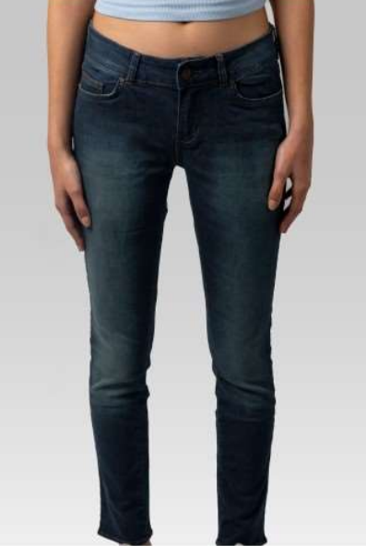
4251349477060 | 127777CRISPYVERDETB | VERDE | TB | WOMEN | v22028 | JEANS | MIRA | 92%COT 6%EME 2%LYC | 27/30 | 100
4251349477077 | 127777CRISPYVERDETB | VERDE | TB | WOMEN | v22028 | JEANS | MIRA | 92%COT 6%EME 2%LYC | 28/30 | 99
4251349477084 | 127777CRISPYVERDETB | VERDE | TB | WOMEN | v22028 | JEANS | MIRA | 92%COT 6%EME 2%LYC | 29/30 | 95
4251349477091 | 127777CRISPYVERDETB | VERDE | TB | WOMEN | v22028 | JEANS | MIRA | 92%COT 6%EME 2%LYC | 30/30 | 6
4251349477107 | 127777CRISPYVERDETB | VERDE | TB | WOMEN | v22028 | JEANS | MIRA | 92%COT 6%EME 2%LYC | 31/30 | 0
4251349477114 | 127777CRISPYVERDETB | VERDE | TB | WOMEN | v22028 | JEANS | MIRA | 92%COT 6%EME 2%LYC | 32/30 | 0
4251349477121 | 127777CRISPYVERDETB | VERDE | TB | WOMEN | v22028 | JEANS | MIRA | 92%COT 6%EME 2%LYC | 26/32 | 120
4251349477138 | 127777CRISPYVERDETB | VERDE | TB | WOMEN | v22028 | JEANS | MIRA | 92%COT 6%EME 2%LYC | 27/32 | 120
4251349477145 | 127777CRISPYVERDETB | VERDE | TB | WOMEN | v22028 | JEANS | MIRA | 92%COT 6%EME 2%LYC | 28/32 | 116
4251349477152 | 127777CRISPYVERDETB | VERDE | TB | WOMEN | v22028 | JEANS | MIRA | 92%COT 6%EME 2%LYC | 29/32 | 83
4251349477169 | 127777CRISPYVERDETB | VERDE | TB | WOMEN | v22028 | JEANS | MIRA | 92%COT 6%EME 2%LYC | 30/32 | 0
4251349477176 | 127777CRISPYVERDETB | VERDE | TB | WOMEN | v22028 | JEANS | MIRA | 92%COT 6%EME 2%LYC | 31/32 | 0
4251349477183 | 127777CRISPYVERDETB | VERDE | TB | WOMEN | v22028 | JEANS | MIRA | 92%COT 6%EME 2%LYC | 32/32 | 1
4251349477190 | 127777CRISPYVERDETB | VERDE | TB | WOMEN | v22028 | JEANS | MIRA | 92%COT 6%EME 2%LYC | 26/34 | 48
4251349477206 | 127777CRISPYVERDETB | VERDE | TB | WOMEN | v22028 | JEANS | MIRA | 92%COT 6%EME 2%LYC | 27/34 | 44
4251349477213 | 127777CRISPYVERDETB | VERDE | TB | WOMEN | v22028 | JEANS | MIRA | 92%COT 6%EME 2%LYC | 28/34 | 45
4251349477220 | 127777CRISPYVERDETB | VERDE | TB | WOMEN | v22028 | JEANS | MIRA | 92%COT 6%EME 2%LYC | 29/34 | 23
4251349476155 | 127777GRIFFINRIKSBLK | RIKS | BLK | WOMEN | v22027 | JEANS | MIRA | 92%COT 6%EME 2%LYC | 26/30 | 42 | 123
4251349476162 | 127777GRIFFINRIKSBLK | RIKS | BLK | WOMEN | v22027 | JEANS | MIRA | 92%COT 6%EME 2%LYC | 27/30 | 38
4251349476179 | 127777GRIFFINRIKSBLK | RIKS | BLK | WOMEN | v22027 | JEANS | MIRA | 92%COT 6%EME 2%LYC | 28/30 | 35
4251349476186 | 127777GRIFFINRIKSBLK | RIKS | BLK | WOMEN | v22027 | JEANS | MIRA | 92%COT 6%EME 2%LYC | 29/30 | 8
4251349476339 | 127777GRIFFINSTONEBLK | STONE | BLK | WOMEN | v22026 | JEANS | MIRA | 92%COT 6%EME 2%LYC | 26/30 | 75 | 586
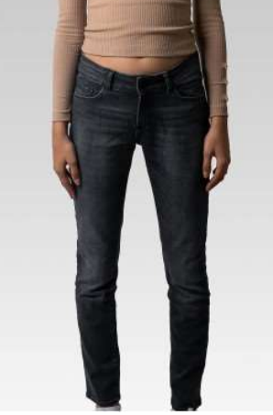
4251349476346 | 127777GRIFFINSTONEBLK | STONE | BLK | WOMEN | v22026 | JEANS | MIRA | 92%COT 6%EME 2%LYC | 27/30 | 74
4251349476353 | 127777GRIFFINSTONEBLK | STONE | BLK | WOMEN | v22026 | JEANS | MIRA | 92%COT 6%EME 2%LYC | 28/30 | 77
4251349476360 | 127777GRIFFINSTONEBLK | STONE | BLK | WOMEN | v22026 | JEANS | MIRA | 92%COT 6%EME 2%LYC | 29/30 | 42
4251349476377 | 127777GRIFFINSTONEBLK | STONE | BLK | WOMEN | v22026 | JEANS | MIRA | 92%COT 6%EME 2%LYC | 30/30 | 0
4251349476384 | 127777GRIFFINSTONEBLK | STONE | BLK | WOMEN | v22026 | JEANS | MIRA | 92%COT 6%EME 2%LYC | 31/30 | 0
4251349476391 | 127777GRIFFINSTONEBLK | STONE | BLK | WOMEN | v22026 | JEANS | MIRA | 92%COT 6%EME 2%LYC | 32/30 | 0
4251349476407 | 127777GRIFFINSTONEBLK | STONE | BLK | WOMEN | v22026 | JEANS | MIRA | 92%COT 6%EME 2%LYC | 26/32 | 75
4251349476414 | 127777GRIFFINSTONEBLK | STONE | BLK | WOMEN | v22026 | JEANS | MIRA | 92%COT 6%EME 2%LYC | 27/32 | 75
4251349476421 | 127777GRIFFINSTONEBLK | STONE | BLK | WOMEN | v22026 | JEANS | MIRA | 92%COT 6%EME 2%LYC | 28/32 | 60
4251349476438 | 127777GRIFFINSTONEBLK | STONE | BLK | WOMEN | v22026 | JEANS | MIRA | 92%COT 6%EME 2%LYC | 29/32 | 45
4251349476445 | 127777GRIFFINSTONEBLK | STONE | BLK | WOMEN | v22026 | JEANS | MIRA | 92%COT 6%EME 2%LYC | 30/32 | 0
4251349476452 | 127777GRIFFINSTONEBLK | STONE | BLK | WOMEN | v22026 | JEANS | MIRA | 92%COT 6%EME 2%LYC | 31/32 | 0
4251349476469 | 127777GRIFFINSTONEBLK | STONE | BLK | WOMEN | v22026 | JEANS | MIRA | 92%COT 6%EME 2%LYC | 32/32 | 0
4251349476476 | 127777GRIFFINSTONEBLK | STONE | BLK | WOMEN | v22026 | JEANS | MIRA | 92%COT 6%EME 2%LYC | 26/34 | 22
4251349476483 | 127777GRIFFINSTONEBLK | STONE | BLK | WOMEN | v22026 | JEANS | MIRA | 92%COT 6%EME 2%LYC | 27/34 | 14
4251349476490 | 127777GRIFFINSTONEBLK | STONE | BLK | WOMEN | v22026 | JEANS | MIRA | 92%COT 6%EME 2%LYC | 28/34 | 26
4251349476506 | 127777GRIFFINSTONEBLK | STONE | BLK | WOMEN | v22026 | JEANS | MIRA | 92%COT 6%EME 2%LYC | 29/34 | 1
4251349479750 | 127777JLCMASONTB | MASON | TB | WOMEN | v22047 | JEANS | MIRA | 92%COT 6%EME 2%LYC | 26/30 | 0 | 207
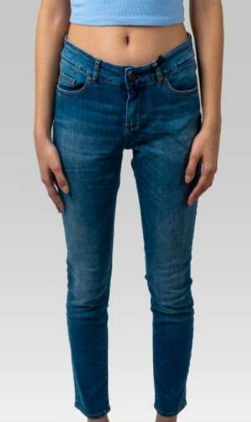
4251349479767 | 127777JLCMASONTB | MASON | TB | WOMEN | v22047 | JEANS | MIRA | 92%COT 6%EME 2%LYC | 27/30 | 0
4251349479774 | 127777JLCMASONTB | MASON | TB | WOMEN | v22047 | JEANS | MIRA | 92%COT 6%EME 2%LYC | 28/30 | 54
4251349479781 | 127777JLCMASONTB | MASON | TB | WOMEN | v22047 | JEANS | MIRA | 92%COT 6%EME 2%LYC | 29/30 | 37
4251349479798 | 127777JLCMASONTB | MASON | TB | WOMEN | v22047 | JEANS | MIRA | 92%COT 6%EME 2%LYC | 30/30 | 0
4251349479804 | 127777JLCMASONTB | MASON | TB | WOMEN | v22047 | JEANS | MIRA | 92%COT 6%EME 2%LYC | 31/30 | 0
4251349479811 | 127777JLCMASONTB | MASON | TB | WOMEN | v22047 | JEANS | MIRA | 92%COT 6%EME 2%LYC | 32/30 | 0
4251349479828 | 127777JLCMASONTB | MASON | TB | WOMEN | v22047 | JEANS | MIRA | 92%COT 6%EME 2%LYC | 26/32 | 5
4251349479835 | 127777JLCMASONTB | MASON | TB | WOMEN | v22047 | JEANS | MIRA | 92%COT 6%EME 2%LYC | 27/32 | 0
4251349479842 | 127777JLCMASONTB | MASON | TB | WOMEN | v22047 | JEANS | MIRA | 92%COT 6%EME 2%LYC | 28/32 | 1
4251349479859 | 127777JLCMASONTB | MASON | TB | WOMEN | v22047 | JEANS | MIRA | 92%COT 6%EME 2%LYC | 29/32 | 5
4251349479866 | 127777JLCMASONTB | MASON | TB | WOMEN | v22047 | JEANS | MIRA | 92%COT 6%EME 2%LYC | 30/32 | 0
4251349479873 | 127777JLCMASONTB | MASON | TB | WOMEN | v22047 | JEANS | MIRA | 92%COT 6%EME 2%LYC | 31/32 | 0
4251349479880 | 127777JLCMASONTB | MASON | TB | WOMEN | v22047 | JEANS | MIRA | 92%COT 6%EME 2%LYC | 32/32 | 0
4251349479897 | 127777JLCMASONTB | MASON | TB | WOMEN | v22047 | JEANS | MIRA | 92%COT 6%EME 2%LYC | 26/34 | 35
4251349479903 | 127777JLCMASONTB | MASON | TB | WOMEN | v22047 | JEANS | MIRA | 92%COT 6%EME 2%LYC | 27/34 | 36
4251349479910 | 127777JLCMASONTB | MASON | TB | WOMEN | v22047 | JEANS | MIRA | 92%COT 6%EME 2%LYC | 28/34 | 24
4251349479927 | 127777JLCMASONTB | MASON | TB | WOMEN | v22047 | JEANS | MIRA | 92%COT 6%EME 2%LYC | 29/34 | 10
4251349488404 | 127777N DRONE SHARPER2TB | RINSE | TB | WOMEN | V22066 | JEANS | MIRA | 92%COT 6%EME 2%ELASTAN | 26/30 | 58 | 605
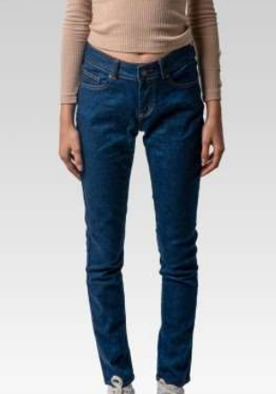
4251349488411 | 127777N DRONE SHARPER2TB | RINSE | TB | WOMEN | V22066 | JEANS | MIRA | 92%COT 6%EME 2%ELASTAN | 27/30 | 43
4251349488418 | 127777N DRONE SHARPER2TB | RINSE | TB | WOMEN | V22066 | JEANS | MIRA | 92%COT 6%EME 2%ELASTAN | 28/30 | 35
4251349488425 | 127777N DRONE SHARPER2TB | RINSE | TB | WOMEN | V22066 | JEANS | MIRA | 92%COT 6%EME 2%ELASTAN | 29/30 | 49
4251349488432 | 127777N DRONE SHARPER2TB | RINSE | TB | WOMEN | V22066 | JEANS | MIRA | 92%COT 6%EME 2%ELASTAN | 30/30 | 30
4251349488439 | 127777N DRONE SHARPER2TB | RINSE | TB | WOMEN | V22066 | JEANS | MIRA | 92%COT 6%EME 2%ELASTAN | 31/30 | 36
4251349488446 | 127777N DRONE SHARPER2TB | RINSE | TB | WOMEN | V22066 | JEANS | MIRA | 92%COT 6%EME 2%ELASTAN | 32/30 | 33
4251349488453 | 127777N DRONE SHARPER2TB | RINSE | TB | WOMEN | V22066 | JEANS | MIRA | 92%COT 6%EME 2%ELASTAN | 26/32 | 64
4251349488460 | 127777N DRONE SHARPER2TB | RINSE | TB | WOMEN | V22066 | JEANS | MIRA | 92%COT 6%EME 2%ELASTAN | 27/32 | 43
4251349488467 | 127777N DRONE SHARPER2TB | RINSE | TB | WOMEN | V22066 | JEANS | MIRA | 92%COT 6%EME 2%ELASTAN | 28/32 | 51
4251349488474 | 127777N DRONE SHARPER2TB | RINSE | TB | WOMEN | V22066 | JEANS | MIRA | 92%COT 6%EME 2%ELASTAN | 29/32 | 67
4251349488481 | 127777N DRONE SHARPER2TB | RINSE | TB | WOMEN | V22066 | JEANS | MIRA | 92%COT 6%EME 2%ELASTAN | 30/32 | 34
4251349488488 | 127777N DRONE SHARPER2TB | RINSE | TB | WOMEN | V22066 | JEANS | MIRA | 92%COT 6%EME 2%ELASTAN | 31/32 | 32
4251349488495 | 127777N DRONE SHARPER2TB | RINSE | TB | WOMEN | V22066 | JEANS | MIRA | 92%COT 6%EME 2%ELASTAN | 32/32 | 30
4251349488782 | 128855KNIGNTSHAPERRIKSTB | RIKS |  | WOMEN | v22069 | JEANS | MIRA | 92%COT/6%EME/2%EL | 26/30 | 110 | 1,314
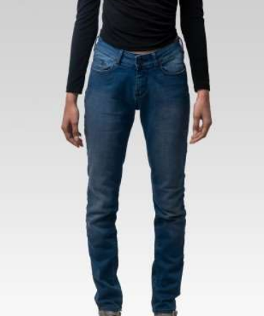
4251349488789 | 128855KNIGNTSHAPERRIKSTB | RIKS |  | WOMEN | v22069 | JEANS | MIRA | 92%COT/6%EME/2%EL | 27/30 | 109
4251349488796 | 128855KNIGNTSHAPERRIKSTB | RIKS |  | WOMEN | v22069 | JEANS | MIRA | 92%COT/6%EME/2%EL | 28/30 | 109
4251349488803 | 128855KNIGNTSHAPERRIKSTB | RIKS |  | WOMEN | v22069 | JEANS | MIRA | 92%COT/6%EME/2%EL | 29/30 | 111
4251349488810 | 128855KNIGNTSHAPERRIKSTB | RIKS |  | WOMEN | v22069 | JEANS | MIRA | 92%COT/6%EME/2%EL | 30/30 | 59
4251349488817 | 128855KNIGNTSHAPERRIKSTB | RIKS |  | WOMEN | v22069 | JEANS | MIRA | 92%COT/6%EME/2%EL | 31/30 | 52
4251349488824 | 128855KNIGNTSHAPERRIKSTB | RIKS |  | WOMEN | v22069 | JEANS | MIRA | 92%COT/6%EME/2%EL | 32/30 | 55
4251349488831 | 128855KNIGNTSHAPERRIKSTB | RIKS |  | WOMEN | v22069 | JEANS | MIRA | 92%COT/6%EME/2%EL | 26/32 | 104
4251349488838 | 128855KNIGNTSHAPERRIKSTB | RIKS |  | WOMEN | v22069 | JEANS | MIRA | 92%COT/6%EME/2%EL | 27/32 | 109
4251349488845 | 128855KNIGNTSHAPERRIKSTB | RIKS |  | WOMEN | v22069 | JEANS | MIRA | 92%COT/6%EME/2%EL | 28/32 | 109
4251349488852 | 128855KNIGNTSHAPERRIKSTB | RIKS |  | WOMEN | v22069 | JEANS | MIRA | 92%COT/6%EME/2%EL | 29/32 | 105
4251349488859 | 128855KNIGNTSHAPERRIKSTB | RIKS |  | WOMEN | v22069 | JEANS | MIRA | 92%COT/6%EME/2%EL | 30/32 | 55
4251349488866 | 128855KNIGNTSHAPERRIKSTB | RIKS |  | WOMEN | v22069 | JEANS | MIRA | 92%COT/6%EME/2%EL | 31/32 | 55
4251349488873 | 128855KNIGNTSHAPERRIKSTB | RIKS |  | WOMEN | v22069 | JEANS | MIRA | 92%COT/6%EME/2%EL | 32/32 | 57
4251349488880 | 128855KNIGNTSHAPERRIKSTB | RIKS |  | WOMEN | v22069 | JEANS | MIRA | 92%COT/6%EME/2%EL | 26/34 | 28
4251349488887 | 128855KNIGNTSHAPERRIKSTB | RIKS |  | WOMEN | v22069 | JEANS | MIRA | 92%COT/6%EME/2%EL | 27/34 | 29
4251349488894 | 128855KNIGNTSHAPERRIKSTB | RIKS |  | WOMEN | v22069 | JEANS | MIRA | 92%COT/6%EME/2%EL | 28/34 | 29
4251349488901 | 128855KNIGNTSHAPERRIKSTB | RIKS |  | WOMEN | v22069 | JEANS | MIRA | 92%COT/6%EME/2%EL | 29/34 | 29
4251349489292 | 12AMS1293RIKSTB | RIKS | TB | WOMEN | V22059 | JEANS | MIRA | 90%COT/8%PL/2%EL | 26/30 | 196 | 2,327
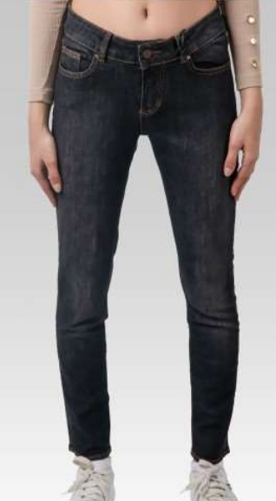
4251349489308 | 12AMS1293RIKSTB | RIKS | TB | WOMEN | V22059 | JEANS | MIRA | 90%COT/8%PL/2%EL | 27/30 | 186
4251349489315 | 12AMS1293RIKSTB | RIKS | TB | WOMEN | V22059 | JEANS | MIRA | 90%COT/8%PL/2%EL | 28/30 | 187
4251349489322 | 12AMS1293RIKSTB | RIKS | TB | WOMEN | V22059 | JEANS | MIRA | 90%COT/8%PL/2%EL | 29/30 | 202
4251349489339 | 12AMS1293RIKSTB | RIKS | TB | WOMEN | V22059 | JEANS | MIRA | 90%COT/8%PL/2%EL | 30/30 | 91
4251349489346 | 12AMS1293RIKSTB | RIKS | TB | WOMEN | V22059 | JEANS | MIRA | 90%COT/8%PL/2%EL | 31/30 | 111
4251349489353 | 12AMS1293RIKSTB | RIKS | TB | WOMEN | V22059 | JEANS | MIRA | 90%COT/8%PL/2%EL | 32/30 | 102
4251349489360 | 12AMS1293RIKSTB | RIKS | TB | WOMEN | V22059 | JEANS | MIRA | 90%COT/8%PL/2%EL | 26/32 | 215
4251349489377 | 12AMS1293RIKSTB | RIKS | TB | WOMEN | V22059 | JEANS | MIRA | 90%COT/8%PL/2%EL | 27/32 | 189
4251349489384 | 12AMS1293RIKSTB | RIKS | TB | WOMEN | V22059 | JEANS | MIRA | 90%COT/8%PL/2%EL | 28/32 | 189
4251349489391 | 12AMS1293RIKSTB | RIKS | TB | WOMEN | V22059 | JEANS | MIRA | 90%COT/8%PL/2%EL | 29/32 | 209
4251349489407 | 12AMS1293RIKSTB | RIKS | TB | WOMEN | V22059 | JEANS | MIRA | 90%COT/8%PL/2%EL | 30/32 | 100
4251349489414 | 12AMS1293RIKSTB | RIKS | TB | WOMEN | V22059 | JEANS | MIRA | 90%COT/8%PL/2%EL | 31/32 | 104
4251349489421 | 12AMS1293RIKSTB | RIKS | TB | WOMEN | V22059 | JEANS | MIRA | 90%COT/8%PL/2%EL | 32/32 | 104
4251349489438 | 12AMS1293RIKSTB | RIKS | TB | WOMEN | V22059 | JEANS | MIRA | 90%COT/8%PL/2%EL | 26/34 | 37
4251349489445 | 12AMS1293RIKSTB | RIKS | TB | WOMEN | V22059 | JEANS | MIRA | 90%COT/8%PL/2%EL | 27/34 | 33
4251349489452 | 12AMS1293RIKSTB | RIKS | TB | WOMEN | V22059 | JEANS | MIRA | 90%COT/8%PL/2%EL | 28/34 | 33
4251349489469 | 12AMS1293RIKSTB | RIKS | TB | WOMEN | V22059 | JEANS | MIRA | 90%COT/8%PL/2%EL | 29/34 | 39
4251349489117 | 12AMS1293RINSETB | RINSE | TB | WOMEN | V22058 | JEANS | MIRA | 90%COT/8%PL/2%EL | 26/30 | 120 | 1,280
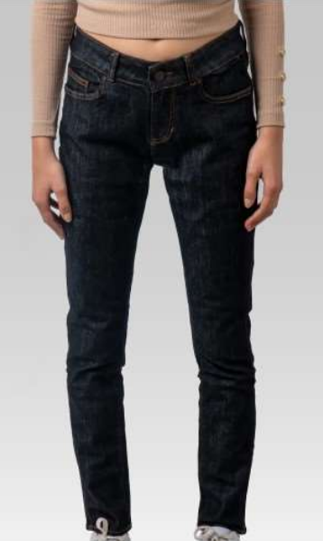
4251349489124 | 12AMS1293RINSETB | RINSE | TB | WOMEN | V22058 | JEANS | MIRA | 90%COT/8%PL/2%EL | 27/30 | 87
4251349489131 | 12AMS1293RINSETB | RINSE | TB | WOMEN | V22058 | JEANS | MIRA | 90%COT/8%PL/2%EL | 28/30 | 89
4251349489148 | 12AMS1293RINSETB | RINSE | TB | WOMEN | V22058 | JEANS | MIRA | 90%COT/8%PL/2%EL | 29/30 | 119
4251349489155 | 12AMS1293RINSETB | RINSE | TB | WOMEN | V22058 | JEANS | MIRA | 90%COT/8%PL/2%EL | 30/30 | 55
4251349489162 | 12AMS1293RINSETB | RINSE | TB | WOMEN | V22058 | JEANS | MIRA | 90%COT/8%PL/2%EL | 31/30 | 64
4251349489179 | 12AMS1293RINSETB | RINSE | TB | WOMEN | V22058 | JEANS | MIRA | 90%COT/8%PL/2%EL | 32/30 | 65
4251349489186 | 12AMS1293RINSETB | RINSE | TB | WOMEN | V22058 | JEANS | MIRA | 90%COT/8%PL/2%EL | 26/32 | 129
4251349489193 | 12AMS1293RINSETB | RINSE | TB | WOMEN | V22058 | JEANS | MIRA | 90%COT/8%PL/2%EL | 27/32 | 99
4251349489209 | 12AMS1293RINSETB | RINSE | TB | WOMEN | V22058 | JEANS | MIRA | 90%COT/8%PL/2%EL | 28/32 | 98
4251349489216 | 12AMS1293RINSETB | RINSE | TB | WOMEN | V22058 | JEANS | MIRA | 90%COT/8%PL/2%EL | 29/32 | 128
4251349489223 | 12AMS1293RINSETB | RINSE | TB | WOMEN | V22058 | JEANS | MIRA | 90%COT/8%PL/2%EL | 30/32 | 82
4251349489230 | 12AMS1293RINSETB | RINSE | TB | WOMEN | V22058 | JEANS | MIRA | 90%COT/8%PL/2%EL | 31/32 | 41
4251349489247 | 12AMS1293RINSETB | RINSE | TB | WOMEN | V22058 | JEANS | MIRA | 90%COT/8%PL/2%EL | 32/32 | 67
4251349489254 | 12AMS1293RINSETB | RINSE | TB | WOMEN | V22058 | JEANS | MIRA | 90%COT/8%PL/2%EL | 26/34 | 12
4251349489261 | 12AMS1293RINSETB | RINSE | TB | WOMEN | V22058 | JEANS | MIRA | 90%COT/8%PL/2%EL | 27/34 | 5
4251349489278 | 12AMS1293RINSETB | RINSE | TB | WOMEN | V22058 | JEANS | MIRA | 90%COT/8%PL/2%EL | 28/34 | 2
4251349489285 | 12AMS1293RINSETB | RINSE | TB | WOMEN | V22058 | JEANS | MIRA | 90%COT/8%PL/2%EL | 29/34 | 18
4251349489476 | 12AMS1293TJ01BLK | TJ01 | BLK | WOMEN | V22060 | JEANS | MIRA | 90%COT/8%PL/2%EL | 26/30 | 212 | 2,276
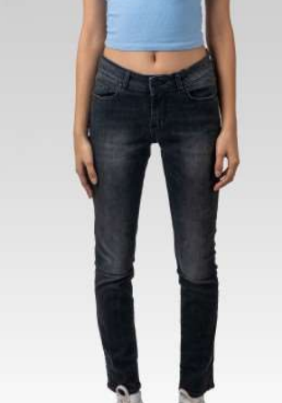
4251349489483 | 12AMS1293TJ01BLK | TJ01 | BLK | WOMEN | V22060 | JEANS | MIRA | 90%COT/8%PL/2%EL | 27/30 | 167
4251349489490 | 12AMS1293TJ01BLK | TJ01 | BLK | WOMEN | V22060 | JEANS | MIRA | 90%COT/8%PL/2%EL | 28/30 | 163
4251349489506 | 12AMS1293TJ01BLK | TJ01 | BLK | WOMEN | V22060 | JEANS | MIRA | 90%COT/8%PL/2%EL | 29/30 | 206
4251349489513 | 12AMS1293TJ01BLK | TJ01 | BLK | WOMEN | V22060 | JEANS | MIRA | 90%COT/8%PL/2%EL | 30/30 | 108
4251349489520 | 12AMS1293TJ01BLK | TJ01 | BLK | WOMEN | V22060 | JEANS | MIRA | 90%COT/8%PL/2%EL | 31/30 | 106
4251349489537 | 12AMS1293TJ01BLK | TJ01 | BLK | WOMEN | V22060 | JEANS | MIRA | 90%COT/8%PL/2%EL | 32/30 | 79
4251349489544 | 12AMS1293TJ01BLK | TJ01 | BLK | WOMEN | V22060 | JEANS | MIRA | 90%COT/8%PL/2%EL | 26/32 | 204
4251349489551 | 12AMS1293TJ01BLK | TJ01 | BLK | WOMEN | V22060 | JEANS | MIRA | 90%COT/8%PL/2%EL | 27/32 | 208
4251349489568 | 12AMS1293TJ01BLK | TJ01 | BLK | WOMEN | V22060 | JEANS | MIRA | 90%COT/8%PL/2%EL | 28/32 | 206
4251349489575 | 12AMS1293TJ01BLK | TJ01 | BLK | WOMEN | V22060 | JEANS | MIRA | 90%COT/8%PL/2%EL | 29/32 | 219
4251349489582 | 12AMS1293TJ01BLK | TJ01 | BLK | WOMEN | V22060 | JEANS | MIRA | 90%COT/8%PL/2%EL | 30/32 | 114
4251349489599 | 12AMS1293TJ01BLK | TJ01 | BLK | WOMEN | V22060 | JEANS | MIRA | 90%COT/8%PL/2%EL | 31/32 | 94
4251349489605 | 12AMS1293TJ01BLK | TJ01 | BLK | WOMEN | V22060 | JEANS | MIRA | 90%COT/8%PL/2%EL | 32/32 | 104
4251349489612 | 12AMS1293TJ01BLK | TJ01 | BLK | WOMEN | V22060 | JEANS | MIRA | 90%COT/8%PL/2%EL | 26/34 | 16
4251349489629 | 12AMS1293TJ01BLK | TJ01 | BLK | WOMEN | V22060 | JEANS | MIRA | 90%COT/8%PL/2%EL | 27/34 | 22
4251349489636 | 12AMS1293TJ01BLK | TJ01 | BLK | WOMEN | V22060 | JEANS | MIRA | 90%COT/8%PL/2%EL | 28/34 | 21
4251349489643 | 12AMS1293TJ01BLK | TJ01 | BLK | WOMEN | V22060 | JEANS | MIRA | 90%COT/8%PL/2%EL | 29/34 | 27
4251349489650 | 12AMS1293VERDETB | VERDE |  | WOMEN | V22061 | JEANS | MIRA | 90%COT/8%PL/2%EL | 26/30 | 239 | 2,459
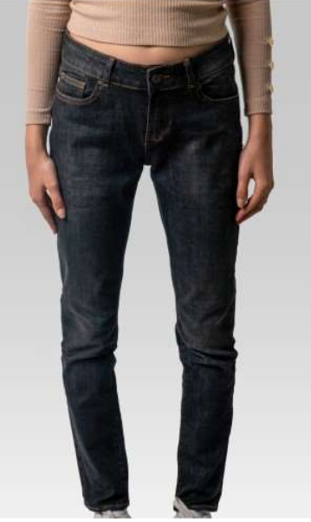
4251349489667 | 12AMS1293VERDETB | VERDE |  | WOMEN | V22061 | JEANS | MIRA | 90%COT/8%PL/2%EL | 27/30 | 210
4251349489674 | 12AMS1293VERDETB | VERDE |  | WOMEN | V22061 | JEANS | MIRA | 90%COT/8%PL/2%EL | 28/30 | 240
4251349489681 | 12AMS1293VERDETB | VERDE |  | WOMEN | V22061 | JEANS | MIRA | 90%COT/8%PL/2%EL | 29/30 | 181
4251349489698 | 12AMS1293VERDETB | VERDE |  | WOMEN | V22061 | JEANS | MIRA | 90%COT/8%PL/2%EL | 30/30 | 105
4251349489704 | 12AMS1293VERDETB | VERDE |  | WOMEN | V22061 | JEANS | MIRA | 90%COT/8%PL/2%EL | 31/30 | 104
4251349489711 | 12AMS1293VERDETB | VERDE |  | WOMEN | V22061 | JEANS | MIRA | 90%COT/8%PL/2%EL | 32/30 | 105
4251349489728 | 12AMS1293VERDETB | VERDE |  | WOMEN | V22061 | JEANS | MIRA | 90%COT/8%PL/2%EL | 26/32 | 209
4251349489735 | 12AMS1293VERDETB | VERDE |  | WOMEN | V22061 | JEANS | MIRA | 90%COT/8%PL/2%EL | 27/32 | 205
4251349489742 | 12AMS1293VERDETB | VERDE |  | WOMEN | V22061 | JEANS | MIRA | 90%COT/8%PL/2%EL | 28/32 | 182
4251349489759 | 12AMS1293VERDETB | VERDE |  | WOMEN | V22061 | JEANS | MIRA | 90%COT/8%PL/2%EL | 29/32 | 206
4251349489766 | 12AMS1293VERDETB | VERDE |  | WOMEN | V22061 | JEANS | MIRA | 90%COT/8%PL/2%EL | 30/32 | 110
4251349489773 | 12AMS1293VERDETB | VERDE |  | WOMEN | V22061 | JEANS | MIRA | 90%COT/8%PL/2%EL | 31/32 | 100
4251349489780 | 12AMS1293VERDETB | VERDE |  | WOMEN | V22061 | JEANS | MIRA | 90%COT/8%PL/2%EL | 32/32 | 105
4251349489797 | 12AMS1293VERDETB | VERDE |  | WOMEN | V22061 | JEANS | MIRA | 90%COT/8%PL/2%EL | 26/34 | 42
4251349489803 | 12AMS1293VERDETB | VERDE |  | WOMEN | V22061 | JEANS | MIRA | 90%COT/8%PL/2%EL | 27/34 | 37
4251349489810 | 12AMS1293VERDETB | VERDE |  | WOMEN | V22061 | JEANS | MIRA | 90%COT/8%PL/2%EL | 28/34 | 40
4251349489827 | 12AMS1293VERDETB | VERDE |  | WOMEN | V22061 | JEANS | MIRA | 90%COT/8%PL/2%EL | 29/34 | 39
4251349488656 | 12CHIMNI VERDETB | VERDE | TB | WOMEN | V22068 | JEANS | MIRA | 92%COT 6%POLYESTERE2%ELASTAN | 26/30 | 175 | 2,098
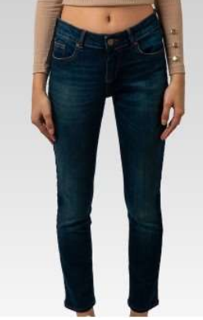
4251349488663 | 12CHIMNI VERDETB | VERDE | TB | WOMEN | V22068 | JEANS | MIRA | 92%COT 6%POLYESTERE2%ELASTAN | 27/30 | 180
4251349488670 | 12CHIMNI VERDETB | VERDE | TB | WOMEN | V22068 | JEANS | MIRA | 92%COT 6%POLYESTERE2%ELASTAN | 28/30 | 176
4251349488677 | 12CHIMNI VERDETB | VERDE | TB | WOMEN | V22068 | JEANS | MIRA | 92%COT 6%POLYESTERE2%ELASTAN | 29/30 | 183
4251349488684 | 12CHIMNI VERDETB | VERDE | TB | WOMEN | V22068 | JEANS | MIRA | 92%COT 6%POLYESTERE2%ELASTAN | 30/30 | 60
4251349488691 | 12CHIMNI VERDETB | VERDE | TB | WOMEN | V22068 | JEANS | MIRA | 92%COT 6%POLYESTERE2%ELASTAN | 31/30 | 91
4251349488698 | 12CHIMNI VERDETB | VERDE | TB | WOMEN | V22068 | JEANS | MIRA | 92%COT 6%POLYESTERE2%ELASTAN | 32/30 | 57
4251349488705 | 12CHIMNI VERDETB | VERDE | TB | WOMEN | V22068 | JEANS | MIRA | 92%COT 6%POLYESTERE2%ELASTAN | 26/32 | 180
4251349488712 | 12CHIMNI VERDETB | VERDE | TB | WOMEN | V22068 | JEANS | MIRA | 92%COT 6%POLYESTERE2%ELASTAN | 27/32 | 176
4251349488719 | 12CHIMNI VERDETB | VERDE | TB | WOMEN | V22068 | JEANS | MIRA | 92%COT 6%POLYESTERE2%ELASTAN | 28/32 | 179
4251349488726 | 12CHIMNI VERDETB | VERDE | TB | WOMEN | V22068 | JEANS | MIRA | 92%COT 6%POLYESTERE2%ELASTAN | 29/32 | 178
4251349488733 | 12CHIMNI VERDETB | VERDE | TB | WOMEN | V22068 | JEANS | MIRA | 92%COT 6%POLYESTERE2%ELASTAN | 30/32 | 121
4251349488740 | 12CHIMNI VERDETB | VERDE | TB | WOMEN | V22068 | JEANS | MIRA | 92%COT 6%POLYESTERE2%ELASTAN | 31/32 | 88
4251349488747 | 12CHIMNI VERDETB | VERDE | TB | WOMEN | V22068 | JEANS | MIRA | 92%COT 6%POLYESTERE2%ELASTAN | 32/32 | 119
4251349488754 | 12CHIMNI VERDETB | VERDE | TB | WOMEN | V22068 | JEANS | MIRA | 92%COT 6%POLYESTERE2%ELASTAN | 26/34 | 34
4251349488761 | 12CHIMNI VERDETB | VERDE | TB | WOMEN | V22068 | JEANS | MIRA | 92%COT 6%POLYESTERE2%ELASTAN | 27/34 | 33
4251349488768 | 12CHIMNI VERDETB | VERDE | TB | WOMEN | V22068 | JEANS | MIRA | 92%COT 6%POLYESTERE2%ELASTAN | 28/34 | 33
4251349488775 | 12CHIMNI VERDETB | VERDE | TB | WOMEN | V22068 | JEANS | MIRA | 92%COT 6%POLYESTERE2%ELASTAN | 29/34 | 35
4251349490199 | 12DECIMARIKSTB | RIKS | TB | WOMEN | V22064 | JEANS | MIRA | 98%COT 2%LYC | 26/30 | 179 | 1,850
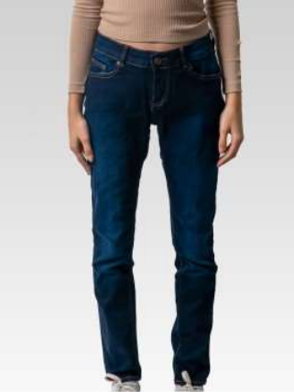
4251349490205 | 12DECIMARIKSTB | RIKS | TB | WOMEN | V22064 | JEANS | MIRA | 98%COT 2%LYC | 27/30 | 153
4251349490212 | 12DECIMARIKSTB | RIKS | TB | WOMEN | V22064 | JEANS | MIRA | 98%COT 2%LYC | 28/30 | 187
4251349490229 | 12DECIMARIKSTB | RIKS | TB | WOMEN | V22064 | JEANS | MIRA | 98%COT 2%LYC | 29/30 | 193
4251349490236 | 12DECIMARIKSTB | RIKS | TB | WOMEN | V22064 | JEANS | MIRA | 98%COT 2%LYC | 30/30 | 40
4251349490243 | 12DECIMARIKSTB | RIKS | TB | WOMEN | V22064 | JEANS | MIRA | 98%COT 2%LYC | 31/30 | 34
4251349490250 | 12DECIMARIKSTB | RIKS | TB | WOMEN | V22064 | JEANS | MIRA | 98%COT 2%LYC | 32/30 | 30
4251349490267 | 12DECIMARIKSTB | RIKS | TB | WOMEN | V22064 | JEANS | MIRA | 98%COT 2%LYC | 26/32 | 182
4251349490274 | 12DECIMARIKSTB | RIKS | TB | WOMEN | V22064 | JEANS | MIRA | 98%COT 2%LYC | 27/32 | 221
4251349490281 | 12DECIMARIKSTB | RIKS | TB | WOMEN | V22064 | JEANS | MIRA | 98%COT 2%LYC | 28/32 | 192
4251349490298 | 12DECIMARIKSTB | RIKS | TB | WOMEN | V22064 | JEANS | MIRA | 98%COT 2%LYC | 29/32 | 177
4251349490304 | 12DECIMARIKSTB | RIKS | TB | WOMEN | V22064 | JEANS | MIRA | 98%COT 2%LYC | 30/32 | 31
4251349490311 | 12DECIMARIKSTB | RIKS | TB | WOMEN | V22064 | JEANS | MIRA | 98%COT 2%LYC | 31/32 | 0
4251349490328 | 12DECIMARIKSTB | RIKS | TB | WOMEN | V22064 | JEANS | MIRA | 98%COT 2%LYC | 32/32 | 64
4251349490335 | 12DECIMARIKSTB | RIKS | TB | WOMEN | V22064 | JEANS | MIRA | 98%COT 2%LYC | 26/34 | 49
4251349490342 | 12DECIMARIKSTB | RIKS | TB | WOMEN | V22064 | JEANS | MIRA | 98%COT 2%LYC | 27/34 | 74
4251349490359 | 12DECIMARIKSTB | RIKS | TB | WOMEN | V22064 | JEANS | MIRA | 98%COT 2%LYC | 28/34 | 44
4251349490366 | 12DECIMARIKSTB | RIKS | TB | WOMEN | V22064 | JEANS | MIRA | 98%COT 2%LYC | 29/34 | 0
4251349490373 | 12DECIMASONTB | MASON | TB | WOMEN | V22065 | JEANS | MIRA | 98%COT 2%LYC | 26/30 | 52 | 461
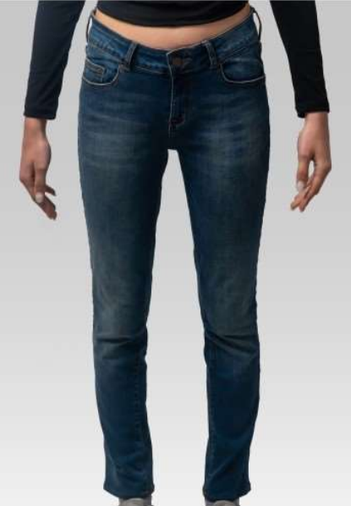
4251349490380 | 12DECIMASONTB | MASON | TB | WOMEN | V22065 | JEANS | MIRA | 98%COT 2%LYC | 27/30 | 21
4251349490397 | 12DECIMASONTB | MASON | TB | WOMEN | V22065 | JEANS | MIRA | 98%COT 2%LYC | 28/30 | 17
4251349490403 | 12DECIMASONTB | MASON | TB | WOMEN | V22065 | JEANS | MIRA | 98%COT 2%LYC | 29/30 | 51
4251349490410 | 12DECIMASONTB | MASON | TB | WOMEN | V22065 | JEANS | MIRA | 98%COT 2%LYC | 30/30 | 30
4251349490427 | 12DECIMASONTB | MASON | TB | WOMEN | V22065 | JEANS | MIRA | 98%COT 2%LYC | 31/30 | 41
4251349490434 | 12DECIMASONTB | MASON | TB | WOMEN | V22065 | JEANS | MIRA | 98%COT 2%LYC | 32/30 | 37
4251349490441 | 12DECIMASONTB | MASON | TB | WOMEN | V22065 | JEANS | MIRA | 98%COT 2%LYC | 26/32 | 60
4251349490458 | 12DECIMASONTB | MASON | TB | WOMEN | V22065 | JEANS | MIRA | 98%COT 2%LYC | 27/32 | 15
4251349490465 | 12DECIMASONTB | MASON | TB | WOMEN | V22065 | JEANS | MIRA | 98%COT 2%LYC | 28/32 | 16
4251349490472 | 12DECIMASONTB | MASON | TB | WOMEN | V22065 | JEANS | MIRA | 98%COT 2%LYC | 29/32 | 54
4251349490489 | 12DECIMASONTB | MASON | TB | WOMEN | V22065 | JEANS | MIRA | 98%COT 2%LYC | 30/32 | 24
4251349490496 | 12DECIMASONTB | MASON | TB | WOMEN | V22065 | JEANS | MIRA | 98%COT 2%LYC | 31/32 | 4
4251349490502 | 12DECIMASONTB | MASON | TB | WOMEN | V22065 | JEANS | MIRA | 98%COT 2%LYC | 32/32 | 39
4251349490519 | 12DECIMASONTB | MASON | TB | WOMEN | V22065 | JEANS | MIRA | 98%COT 2%LYC | 26/34 | 0
4251349490526 | 12DECIMASONTB | MASON | TB | WOMEN | V22065 | JEANS | MIRA | 98%COT 2%LYC | 27/34 | 0
4251349490533 | 12DECIMASONTB | MASON | TB | WOMEN | V22065 | JEANS | MIRA | 98%COT 2%LYC | 28/34 | 0
4251349490540 | 12DECIMASONTB | MASON | TB | WOMEN | V22065 | JEANS | MIRA | 98%COT 2%LYC | 29/34 | 0
4251349489834 | 12HAILEYRINSEGRY | RINSE | GREY | WOMEN | V22062 | JEANS | MIRA | 98%COT 2%LYC | 26/30 | 245 | 2,899
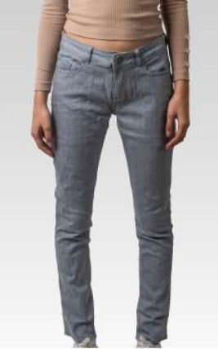
4251349489841 | 12HAILEYRINSEGRY | RINSE | GREY | WOMEN | V22062 | JEANS | MIRA | 98%COT 2%LYC | 27/30 | 242
4251349489858 | 12HAILEYRINSEGRY | RINSE | GREY | WOMEN | V22062 | JEANS | MIRA | 98%COT 2%LYC | 28/30 | 234
4251349489865 | 12HAILEYRINSEGRY | RINSE | GREY | WOMEN | V22062 | JEANS | MIRA | 98%COT 2%LYC | 29/30 | 236
4251349489872 | 12HAILEYRINSEGRY | RINSE | GREY | WOMEN | V22062 | JEANS | MIRA | 98%COT 2%LYC | 30/30 | 119
4251349489889 | 12HAILEYRINSEGRY | RINSE | GREY | WOMEN | V22062 | JEANS | MIRA | 98%COT 2%LYC | 31/30 | 121
4251349489896 | 12HAILEYRINSEGRY | RINSE | GREY | WOMEN | V22062 | JEANS | MIRA | 98%COT 2%LYC | 32/30 | 119
4251349489902 | 12HAILEYRINSEGRY | RINSE | GREY | WOMEN | V22062 | JEANS | MIRA | 98%COT 2%LYC | 26/32 | 237
4251349489919 | 12HAILEYRINSEGRY | RINSE | GREY | WOMEN | V22062 | JEANS | MIRA | 98%COT 2%LYC | 27/32 | 238
4251349489926 | 12HAILEYRINSEGRY | RINSE | GREY | WOMEN | V22062 | JEANS | MIRA | 98%COT 2%LYC | 28/32 | 237
4251349489933 | 12HAILEYRINSEGRY | RINSE | GREY | WOMEN | V22062 | JEANS | MIRA | 98%COT 2%LYC | 29/32 | 235
4251349489940 | 12HAILEYRINSEGRY | RINSE | GREY | WOMEN | V22062 | JEANS | MIRA | 98%COT 2%LYC | 30/32 | 119
4251349489957 | 12HAILEYRINSEGRY | RINSE | GREY | WOMEN | V22062 | JEANS | MIRA | 98%COT 2%LYC | 31/32 | 120
4251349489964 | 12HAILEYRINSEGRY | RINSE | GREY | WOMEN | V22062 | JEANS | MIRA | 98%COT 2%LYC | 32/32 | 115
4251349489971 | 12HAILEYRINSEGRY | RINSE | GREY | WOMEN | V22062 | JEANS | MIRA | 98%COT 2%LYC | 26/34 | 70
4251349489988 | 12HAILEYRINSEGRY | RINSE | GREY | WOMEN | V22062 | JEANS | MIRA | 98%COT 2%LYC | 27/34 | 70
4251349489995 | 12HAILEYRINSEGRY | RINSE | GREY | WOMEN | V22062 | JEANS | MIRA | 98%COT 2%LYC | 28/34 | 72
4251349490007 | 12HAILEYRINSEGRY | RINSE | GREY | WOMEN | V22062 | JEANS | MIRA | 98%COT 2%LYC | 29/34 | 70
4251349490014 | 12HAILEYTJ01GRY | TJ01 |  | WOMEN | V22063 | JEANS | MIRA | 98%COT 2%LYC | 26/30 | 198 | 2,789
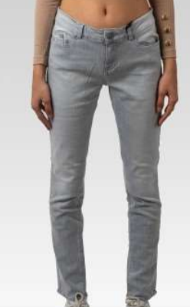
4251349490021 | 12HAILEYTJ01GRY | TJ01 |  | WOMEN | V22063 | JEANS | MIRA | 98%COT 2%LYC | 27/30 | 234
4251349490038 | 12HAILEYTJ01GRY | TJ01 |  | WOMEN | V22063 | JEANS | MIRA | 98%COT 2%LYC | 28/30 | 231
4251349490045 | 12HAILEYTJ01GRY | TJ01 |  | WOMEN | V22063 | JEANS | MIRA | 98%COT 2%LYC | 29/30 | 235
4251349490052 | 12HAILEYTJ01GRY | TJ01 |  | WOMEN | V22063 | JEANS | MIRA | 98%COT 2%LYC | 30/30 | 117
4251349490069 | 12HAILEYTJ01GRY | TJ01 |  | WOMEN | V22063 | JEANS | MIRA | 98%COT 2%LYC | 31/30 | 118
4251349490076 | 12HAILEYTJ01GRY | TJ01 |  | WOMEN | V22063 | JEANS | MIRA | 98%COT 2%LYC | 32/30 | 119
4251349490083 | 12HAILEYTJ01GRY | TJ01 |  | WOMEN | V22063 | JEANS | MIRA | 98%COT 2%LYC | 26/32 | 210
4251349490090 | 12HAILEYTJ01GRY | TJ01 |  | WOMEN | V22063 | JEANS | MIRA | 98%COT 2%LYC | 27/32 | 235
4251349490106 | 12HAILEYTJ01GRY | TJ01 |  | WOMEN | V22063 | JEANS | MIRA | 98%COT 2%LYC | 28/32 | 237
4251349490113 | 12HAILEYTJ01GRY | TJ01 |  | WOMEN | V22063 | JEANS | MIRA | 98%COT 2%LYC | 29/32 | 236
4251349490120 | 12HAILEYTJ01GRY | TJ01 |  | WOMEN | V22063 | JEANS | MIRA | 98%COT 2%LYC | 30/32 | 111
4251349490137 | 12HAILEYTJ01GRY | TJ01 |  | WOMEN | V22063 | JEANS | MIRA | 98%COT 2%LYC | 31/32 | 140
4251349490144 | 12HAILEYTJ01GRY | TJ01 |  | WOMEN | V22063 | JEANS | MIRA | 98%COT 2%LYC | 32/32 | 155
4251349490151 | 12HAILEYTJ01GRY | TJ01 |  | WOMEN | V22063 | JEANS | MIRA | 98%COT 2%LYC | 26/34 | 57
4251349490168 | 12HAILEYTJ01GRY | TJ01 |  | WOMEN | V22063 | JEANS | MIRA | 98%COT 2%LYC | 27/34 | 52
4251349490175 | 12HAILEYTJ01GRY | TJ01 |  | WOMEN | V22063 | JEANS | MIRA | 98%COT 2%LYC | 28/34 | 53
4251349490182 | 12HAILEYTJ01GRY | TJ01 |  | WOMEN | V22063 | JEANS | MIRA | 98%COT 2%LYC | 29/34 | 51
4251349488530 | 12PAVLOVATJ01NV | TJ01 | NV | WOMEN | V22067 | JEANS | MIRA | 65%COT/18%PL/16%VISCOSE1%ELAS | 26/30 | 124 | 1,576
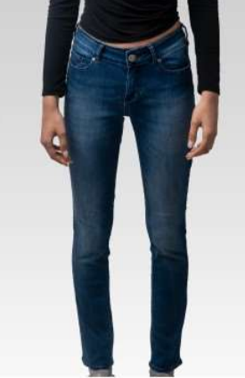
4251349488537 | 12PAVLOVATJ01NV | TJ01 | NV | WOMEN | V22067 | JEANS | MIRA | 65%COT/18%PL/16%VISCOSE1%ELAS | 27/30 | 124
4251349488544 | 12PAVLOVATJ01NV | TJ01 | NV | WOMEN | V22067 | JEANS | MIRA | 65%COT/18%PL/16%VISCOSE1%ELAS | 28/30 | 125
4251349488551 | 12PAVLOVATJ01NV | TJ01 | NV | WOMEN | V22067 | JEANS | MIRA | 65%COT/18%PL/16%VISCOSE1%ELAS | 29/30 | 129
4251349488558 | 12PAVLOVATJ01NV | TJ01 | NV | WOMEN | V22067 | JEANS | MIRA | 65%COT/18%PL/16%VISCOSE1%ELAS | 30/30 | 60
4251349488565 | 12PAVLOVATJ01NV | TJ01 | NV | WOMEN | V22067 | JEANS | MIRA | 65%COT/18%PL/16%VISCOSE1%ELAS | 31/30 | 58
4251349488572 | 12PAVLOVATJ01NV | TJ01 | NV | WOMEN | V22067 | JEANS | MIRA | 65%COT/18%PL/16%VISCOSE1%ELAS | 32/30 | 60
4251349488579 | 12PAVLOVATJ01NV | TJ01 | NV | WOMEN | V22067 | JEANS | MIRA | 65%COT/18%PL/16%VISCOSE1%ELAS | 26/32 | 128
4251349488586 | 12PAVLOVATJ01NV | TJ01 | NV | WOMEN | V22067 | JEANS | MIRA | 65%COT/18%PL/16%VISCOSE1%ELAS | 27/32 | 132
4251349488593 | 12PAVLOVATJ01NV | TJ01 | NV | WOMEN | V22067 | JEANS | MIRA | 65%COT/18%PL/16%VISCOSE1%ELAS | 28/32 | 127
4251349488600 | 12PAVLOVATJ01NV | TJ01 | NV | WOMEN | V22067 | JEANS | MIRA | 65%COT/18%PL/16%VISCOSE1%ELAS | 29/32 | 129
4251349488607 | 12PAVLOVATJ01NV | TJ01 | NV | WOMEN | V22067 | JEANS | MIRA | 65%COT/18%PL/16%VISCOSE1%ELAS | 30/32 | 60
4251349488614 | 12PAVLOVATJ01NV | TJ01 | NV | WOMEN | V22067 | JEANS | MIRA | 65%COT/18%PL/16%VISCOSE1%ELAS | 31/32 | 90
4251349488621 | 12PAVLOVATJ01NV | TJ01 | NV | WOMEN | V22067 | JEANS | MIRA | 65%COT/18%PL/16%VISCOSE1%ELAS | 32/32 | 30
4251349488628 | 12PAVLOVATJ01NV | TJ01 | NV | WOMEN | V22067 | JEANS | MIRA | 65%COT/18%PL/16%VISCOSE1%ELAS | 26/34 | 50
4251349488635 | 12PAVLOVATJ01NV | TJ01 | NV | WOMEN | V22067 | JEANS | MIRA | 65%COT/18%PL/16%VISCOSE1%ELAS | 27/34 | 50
4251349488642 | 12PAVLOVATJ01NV | TJ01 | NV | WOMEN | V22067 | JEANS | MIRA | 65%COT/18%PL/16%VISCOSE1%ELAS | 28/34 | 50
4251349488649 | 12PAVLOVATJ01NV | TJ01 | NV | WOMEN | V22067 | JEANS | MIRA | 65%COT/18%PL/16%VISCOSE1%ELAS | 29/34 | 50
 |  |  |  |  |  |  |  |  |  | 37,832

KATE
JEGGINGS KATE FEMME
9 réf-col

Code EAN | Référence | Délavage | Fils | Secteur | Type | Modèle | Composition | Taille | Quantité
4251349473932 | 21S12961JDACIDDTB | JDACIDDTB | 08489 COATS | WOMEN | JEGGING | KATE | 92%COT 6%T-400 2%LYC | XS/28 | 80
4251349473949 | 21S12961JDACIDDTB | JDACIDDTB | 08489 COATS | WOMEN | JEGGING | KATE | 92%COT 6%T-400 2%LYC | S/28 | 240
4251349473956 | 21S12961JDACIDDTB | JDACIDDTB | 08489 COATS | WOMEN | JEGGING | KATE | 92%COT 6%T-400 2%LYC | M/28 | 266
4251349473963 | 21S12961JDACIDDTB | JDACIDDTB | 08489 COATS | WOMEN | JEGGING | KATE | 92%COT 6%T-400 2%LYC | L/28 | 128 | 1,455
4251349474335 | 21S12961JDACIDDTB | JDACIDDTB | 08489 COATS | WOMEN | JEGGING | KATE | 92%COT 6%T-400 2%LYC | XS/30 | 152
4251349474342 | 21S12961JDACIDDTB | JDACIDDTB | 08489 COATS | WOMEN | JEGGING | KATE | 92%COT 6%T-400 2%LYC | S/30 | 257
4251349474359 | 21S12961JDACIDDTB | JDACIDDTB | 08489 COATS | WOMEN | JEGGING | KATE | 92%COT 6%T-400 2%LYC | M/30 | 194
4251349474366 | 21S12961JDACIDDTB | JDACIDDTB | 08489 COATS | WOMEN | JEGGING | KATE | 92%COT 6%T-400 2%LYC | L/30 | 138
4251349473895 | 21S12961JLACIDRED | JLACIDRED | 03460 COATS | WOMEN | JEGGING | KATE | 92%COT 6%T-400 2%LYC | XS/28 | 138
4251349473901 | 21S12961JLACIDRED | JLACIDRED | 03460 COATS | WOMEN | JEGGING | KATE | 92%COT 6%T-400 2%LYC | S/28 | 288
4251349473918 | 21S12961JLACIDRED | JLACIDRED | 03460 COATS | WOMEN | JEGGING | KATE | 92%COT 6%T-400 2%LYC | M/28 | 302
4251349473925 | 21S12961JLACIDRED | JLACIDRED | 03460 COATS | WOMEN | JEGGING | KATE | 92%COT 6%T-400 2%LYC | L/28 | 147 | 1,738
4251349474298 | 21S12961JLACIDRED | JLACIDRED | 03460 COATS | WOMEN | JEGGING | KATE | 92%COT 6%T-400 2%LYC | XS/30, | 134
4251349474304 | 21S12961JLACIDRED | JLACIDRED | 03460 COATS | WOMEN | JEGGING | KATE | 92%COT 6%T-400 2%LYC | S/30 | 304
4251349474311 | 21S12961JLACIDRED | JLACIDRED | 03460 COATS | WOMEN | JEGGING | KATE | 92%COT 6%T-400 2%LYC | M/30 | 284
4251349474328 | 21S12961JLACIDRED | JLACIDRED | 03460 COATS | WOMEN | JEGGING | KATE | 92%COT 6%T-400 2%LYC | L/30 | 141
4251349473857 | 21S12961JLIGHTGRY | JLIGHTGRY | 09404 COATS | WOMEN | JEGGING | KATE | 92%COT 6%T-400 2%LYC | XS/28 | 157
4251349473864 | 21S12961JLIGHTGRY | JLIGHTGRY | 09404 COATS | WOMEN | JEGGING | KATE | 92%COT 6%T-400 2%LYC | S/28 | 320
4251349473871 | 21S12961JLIGHTGRY | JLIGHTGRY | 09404 COATS | WOMEN | JEGGING | KATE | 92%COT 6%T-400 2%LYC | M/28 | 318
4251349473888 | 21S12961JLIGHTGRY | JLIGHTGRY | 09404 COATS | WOMEN | JEGGING | KATE | 92%COT 6%T-400 2%LYC | L/28 | 146 | 1,880
4251349474250 | 21S12961JLIGHTGRY | JLIGHTGRY | 09404 COATS | WOMEN | JEGGING | KATE | 92%COT 6%T-400 2%LYC | XS/30, | 162
4251349474267 | 21S12961JLIGHTGRY | JLIGHTGRY | 09404 COATS | WOMEN | JEGGING | KATE | 92%COT 6%T-400 2%LYC | S/30 | 305
4251349474274 | 21S12961JLIGHTGRY | JLIGHTGRY | 09404 COATS | WOMEN | JEGGING | KATE | 92%COT 6%T-400 2%LYC | M/30 | 316
4251349474281 | 21S12961JLIGHTGRY | JLIGHTGRY | 09404 COATS | WOMEN | JEGGING | KATE | 92%COT 6%T-400 2%LYC | L/30 | 156
4251349473819 | 21S12961JMIDSX | JMIDSX | 07284 COATS | WOMEN | JEGGING | KATE | 92%COT 6%T-400 2%LYC | XS/28 | 153
4251349473826 | 21S12961JMIDSX | JMIDSX | 07284 COATS | WOMEN | JEGGING | KATE | 92%COT 6%T-400 2%LYC | S/28 | 316
4251349473833 | 21S12961JMIDSX | JMIDSX | 07284 COATS | WOMEN | JEGGING | KATE | 92%COT 6%T-400 2%LYC | M/28 | 313
4251349473840 | 21S12961JMIDSX | JMIDSX | 07284 COATS | WOMEN | JEGGING | KATE | 92%COT 6%T-400 2%LYC | L/28 | 153 | 1,892
4251349474212 | 21S12961JMIDSX | JMIDSX | 07284 COATS | WOMEN | JEGGING | KATE | 92%COT 6%T-400 2%LYC | XS/30, | 156
4251349474229 | 21S12961JMIDSX | JMIDSX | 07284 COATS | WOMEN | JEGGING | KATE | 92%COT 6%T-400 2%LYC | S/30 | 322
4251349474236 | 21S12961JMIDSX | JMIDSX | 07284 COATS | WOMEN | JEGGING | KATE | 92%COT 6%T-400 2%LYC | M/30 | 326
4251349474243 | 21S12961JMIDSX | JMIDSX | 07284 COATS | WOMEN | JEGGING | KATE | 92%COT 6%T-400 2%LYC | L/30 | 153
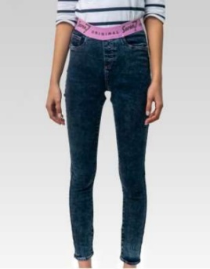
4251349473734 | 21S12962JDACIDPNK | JDACIDPNK | 03642 COATS | WOMEN | JEGGING | KATE | 92%COT 6%T-400 2%LYC | XS/28 | 150
4251349473741 | 21S12962JDACIDPNK | JDACIDPNK | 03642 COATS | WOMEN | JEGGING | KATE | 92%COT 6%T-400 2%LYC | S/28 | 230
4251349473758 | 21S12962JDACIDPNK | JDACIDPNK | 03642 COATS | WOMEN | JEGGING | KATE | 92%COT 6%T-400 2%LYC | M/28 | 247
4251349473765 | 21S12962JDACIDPNK | JDACIDPNK | 03642 COATS | WOMEN | JEGGING | KATE | 92%COT 6%T-400 2%LYC | L/28 | 92 | 1,435
4251349474137 | 21S12962JDACIDPNK | JDACIDPNK | 03642 COATS | WOMEN | JEGGING | KATE | 92%COT 6%T-400 2%LYC | XS/30, | 158
4251349474144 | 21S12962JDACIDPNK | JDACIDPNK | 03642 COATS | WOMEN | JEGGING | KATE | 92%COT 6%T-400 2%LYC | S/30 | 219
4251349474151 | 21S12962JDACIDPNK | JDACIDPNK | 03642 COATS | WOMEN | JEGGING | KATE | 92%COT 6%T-400 2%LYC | M/30 | 246
4251349474168 | 21S12962JDACIDPNK | JDACIDPNK | 03642 COATS | WOMEN | JEGGING | KATE | 92%COT 6%T-400 2%LYC | L/30 | 93
4251349473574 | 21S12962JDARKNV | JDARKNV | 07599 COATS | WOMEN | JEGGING | KATE | 92%COT 6%T-400 2%LYC | XS/28 | 71
4251349473581 | 21S12962JDARKNV | JDARKNV | 07599 COATS | WOMEN | JEGGING | KATE | 92%COT 6%T-400 2%LYC | S/28 | 46
4251349473598 | 21S12962JDARKNV | JDARKNV | 07599 COATS | WOMEN | JEGGING | KATE | 92%COT 6%T-400 2%LYC | M/28 | 30
4251349473604 | 21S12962JDARKNV | JDARKNV | 07599 COATS | WOMEN | JEGGING | KATE | 92%COT 6%T-400 2%LYC | L/28 | 0 | 281
4251349473970 | 21S12962JDARKNV | JDARKNV | 07599 COATS | WOMEN | JEGGING | KATE | 92%COT 6%T-400 2%LYC | XS/30, | 76
4251349473987 | 21S12962JDARKNV | JDARKNV | 07599 COATS | WOMEN | JEGGING | KATE | 92%COT 6%T-400 2%LYC | S/30 | 33
4251349473994 | 21S12962JDARKNV | JDARKNV | 07599 COATS | WOMEN | JEGGING | KATE | 92%COT 6%T-400 2%LYC | M/30 | 25
4251349474007 | 21S12962JDARKNV | JDARKNV | 07599 COATS | WOMEN | JEGGING | KATE | 92%COT 6%T-400 2%LYC | L/30 | 0
4251349473697 | 21S12962JLACIDLEM | JLACIDLEM | 120ZR COATS | WOMEN | JEGGING | KATE | 92%COT 6%T-400 2%LYC | XS/28 | 111
4251349473703 | 21S12962JLACIDLEM | JLACIDLEM | 120ZR COATS | WOMEN | JEGGING | KATE | 92%COT 6%T-400 2%LYC | S/28 | 223
4251349473710 | 21S12962JLACIDLEM | JLACIDLEM | 120ZR COATS | WOMEN | JEGGING | KATE | 92%COT 6%T-400 2%LYC | M/28 | 224
4251349473727 | 21S12962JLACIDLEM | JLACIDLEM | 120ZR COATS | WOMEN | JEGGING | KATE | 92%COT 6%T-400 2%LYC | L/28 | 112 | 1,624
4251349474090 | 21S12962JLACIDLEM | JLACIDLEM | 120ZR COATS | WOMEN | JEGGING | KATE | 92%COT 6%T-400 2%LYC | XS/30, | 159
4251349474106 | 21S12962JLACIDLEM | JLACIDLEM | 120ZR COATS | WOMEN | JEGGING | KATE | 92%COT 6%T-400 2%LYC | S/30 | 325
4251349474113 | 21S12962JLACIDLEM | JLACIDLEM | 120ZR COATS | WOMEN | JEGGING | KATE | 92%COT 6%T-400 2%LYC | M/30 | 311
4251349474120 | 21S12962JLACIDLEM | JLACIDLEM | 120ZR COATS | WOMEN | JEGGING | KATE | 92%COT 6%T-400 2%LYC | L/30 | 159
4251349473659 | 21S12962JLIGHTMNT | JLIGHTMNT | 05140 COATS | WOMEN | JEGGING | KATE | 92%COT 6%T-400 2%LYC | XS/28 | 80
4251349473666 | 21S12962JLIGHTMNT | JLIGHTMNT | 05140 COATS | WOMEN | JEGGING | KATE | 92%COT 6%T-400 2%LYC | S/28 | 316
4251349473673 | 21S12962JLIGHTMNT | JLIGHTMNT | 05140 COATS | WOMEN | JEGGING | KATE | 92%COT 6%T-400 2%LYC | M/28 | 310
4251349473680 | 21S12962JLIGHTMNT | JLIGHTMNT | 05140 COATS | WOMEN | JEGGING | KATE | 92%COT 6%T-400 2%LYC | L/28 | 147 | 1,761
4251349474052 | 21S12962JLIGHTMNT | JLIGHTMNT | 05140 COATS | WOMEN | JEGGING | KATE | 92%COT 6%T-400 2%LYC | XS/30, | 139
4251349474069 | 21S12962JLIGHTMNT | JLIGHTMNT | 05140 COATS | WOMEN | JEGGING | KATE | 92%COT 6%T-400 2%LYC | S/30 | 310
4251349474076 | 21S12962JLIGHTMNT | JLIGHTMNT | 05140 COATS | WOMEN | JEGGING | KATE | 92%COT 6%T-400 2%LYC | M/30 | 323
4251349474083 | 21S12962JLIGHTMNT | JLIGHTMNT | 05140 COATS | WOMEN | JEGGING | KATE | 92%COT 6%T-400 2%LYC | L/30 | 136
4251349473611 | 21S12962JMIDKHAK | JMIDKHAK | 05767 COATS | WOMEN | JEGGING | KATE | 92%COT 6%T-400 2%LYC | XS/28 | 138
4251349473628 | 21S12962JMIDKHAK | JMIDKHAK | 05767 COATS | WOMEN | JEGGING | KATE | 92%COT 6%T-400 2%LYC | S/28 | 293
4251349473635 | 21S12962JMIDKHAK | JMIDKHAK | 05767 COATS | WOMEN | JEGGING | KATE | 92%COT 6%T-400 2%LYC | M/28 | 304
4251349473642 | 21S12962JMIDKHAK | JMIDKHAK | 05767 COATS | WOMEN | JEGGING | KATE | 92%COT 6%T-400 2%LYC | L/28 | 125 | 1,668
4251349474014 | 21S12962JMIDKHAK | JMIDKHAK | 05767 COATS | WOMEN | JEGGING | KATE | 92%COT 6%T-400 2%LYC | XS/30, | 113
4251349474021 | 21S12962JMIDKHAK | JMIDKHAK | 05767 COATS | WOMEN | JEGGING | KATE | 92%COT 6%T-400 2%LYC | S/30 | 294
4251349474038 | 21S12962JMIDKHAK | JMIDKHAK | 05767 COATS | WOMEN | JEGGING | KATE | 92%COT 6%T-400 2%LYC | M/30 | 288
4251349474045 | 21S12962JMIDKHAK | JMIDKHAK | 05767 COATS | WOMEN | JEGGING | KATE | 92%COT 6%T-400 2%LYC | L/30 | 113
 |  |  |  |  |  |  |  |  | 13,734

LEA
VESTE JEAN LEA FEMME
19 réf-col

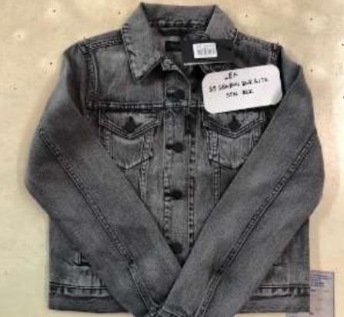
Code EAN | Référence | Origine | Taille | Délavage | Quantité
4251349487632 | 39SEASONBLKRINSETB | MADAGASCAR | XS | RINSE | 75 | 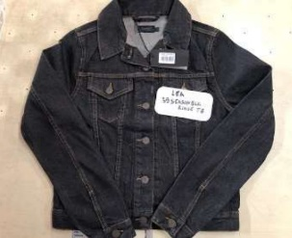 75
4251349487731 | 39SEASONBLKLITESTNBLK | MADAGASCAR | XS | LIGHT STONE | 172
4251349487748 | 39SEASONBLKLITESTNBLK | MADAGASCAR | S | LIGHT STONE | 349
4251349487755 | 39SEASONBLKLITESTNBLK | MADAGASCAR | M | LIGHT STONE | 350 | 1,392
4251349487762 | 39SEASONBLKLITESTNBLK | MADAGASCAR | L | LIGHT STONE | 348
4251349487779 | 39SEASONBLKLITESTNBLK | MADAGASCAR | XL | LIGHT STONE | 173
4251349487830 | 39SEASON2BLKRINSEBLK-2 | MADAGASCAR | XS | RINSE | 318
4251349487847 | 39SEASON2BLKRINSEBLK-2 | MADAGASCAR | S | RINSE | 642
4251349487854 | 39SEASON2BLKRINSEBLK-2 | MADAGASCAR | M | RINSE | 632 | 2,549
4251349487861 | 39SEASON2BLKRINSEBLK-2 | MADAGASCAR | L | RINSE | 638
4251349487878 | 39SEASON2BLKRINSEBLK-2 | MADAGASCAR | XL | RINSE | 319
4251349487885 | 39SEASON2BLKRI2BLK | MADAGASCAR | XS | RI2 | 288
4251349487892 | 39SEASON2BLKRI2BLK | MADAGASCAR | S | RI2 | 631
4251349487908 | 39SEASON2BLKRI2BLK | MADAGASCAR | M | RI2 | 564 | 2,401
4251349487915 | 39SEASON2BLKRI2BLK | MADAGASCAR | L | RI2 | 598
4251349487922 | 39SEASON2BLKRI2BLK | MADAGASCAR | XL | RI2 | 320
4251349487939 | 39SEASONBLKRINSEBLK | MADAGASCAR | XS | RINSE | 72
4251349487946 | 39SEASONBLKRINSEBLK | MADAGASCAR | S | RINSE | 250
4251349487953 | 39SEASONBLKRINSEBLK | MADAGASCAR | M | RINSE | 246 | 892
4251349487960 | 39SEASONBLKRINSEBLK | MADAGASCAR | L | RINSE | 251
4251349487977 | 39SEASONBLKRINSEBLK | MADAGASCAR | XL | RINSE | 73
4251349487984 | 39SEASON2BLKRI2SUPERBLK | MADAGASCAR | XS | SUPER | 154
4251349487991 | 39SEASON2BLKRI2SUPERBLK | MADAGASCAR | S | SUPER | 318
4251349488004 | 39SEASON2BLKRI2SUPERBLK | MADAGASCAR | M | SUPER | 312 | 1,258
4251349488011 | 39SEASON2BLKRI2SUPERBLK | MADAGASCAR | L | SUPER | 314
4251349488028 | 39SEASON2BLKRI2SUPERBLK | MADAGASCAR | XL | SUPER | 160
4251349491301 | 39SEASONBLUERINSETB | MADAGASCAR | XS | RINSE | 250
4251349491318 | 39SEASONBLUERINSETB | MADAGASCAR | S | RINSE | 511
...

